EdGro Finance
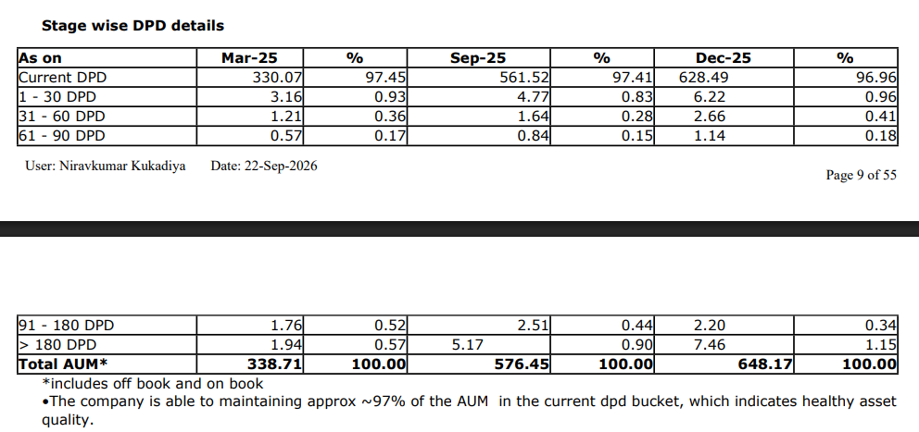
 |  |  | Rs in Crores
EdGro Finance
Particulars | FY 24 | FY 25 | FY 26 | Particulars | FY24 (A) | FY25 (A) | FY26 (A)
 | Aud | Aud | Aud | Profitability
 | Ind AS | Ind AS | Ind AS | Net Interest Margin | - | 3.70% | 9.02%
Revenue from operations | 4 | 48 | 102 | Capitalization
Interest Income | 3 | 32 | 74 | Leverage (Debt/NOF) | 1.46x | 1.96x | 1.28x
Treasury income | - | - | - | CAR | 47.37% | 33.98% | 45.02%
Other Operation Income | 1 | 16 | 19 | NOF/Loan Book | 69.93% | 40.50% | 57.73%
Interest expended | 3 | 24 | 34 | Operational Efficiency
Net Interest Income | - | 8 | 40 | Cost to Income (on total operating income net-off interest expenses) | 400.00% | 87.50% | 91.53%
Total Operating Income | 4 | 48 | 93 | Cost to Income (on total operating income) | 100.00% | 43.75% | 58.06%
Other income | 3 | 3 | 9 | Operating Expenses: Avg. Assets | 2.61% | 6.72% | 9.12%
Total Income | 7 | 51 | 102 | Loan Book Performance
Operating expenses | 4 | 21 | 54 | Gross NPA % | - | 0.95% | 0.39%
Operating profit | - | 27 | 39 | Net NPA% | - | 0.39% | 0.29%
Pre-provisioning operating profit | (3) | 3 | 5 | Provision coverage Ratio | - | 58.95% | 25.64%
Provisions | 1 | 3 | 8 | Credit Cost | 0.80% | 1.36% | 1.80%
PAT | 0 | 2 | 5 | Return Indicators
TNW | 107 | 113 | 351 | Pre Provisioning operating profit (PPOP)margin | -1.11% | 0.96% | 0.84%
Net Owned Funds | 107 | 113 | 351 | RoA | 0.22% | 1.36% | 0.84%
Total Debt | 156 | 221 | 450 | RoE | 0.53% | 3.99% | 2.16%
Total Assets | 271 | 354 | 830 | Spread
Loans & Advances (Gross) | 153 | 279 | 608 | Yields (A) | 3.54% | 14.81% | 16.69%
Gross NPAs | - | 3 |  | Avg. Cost of Borrowing(B) | 3.59% | 12.73% | 10.13%
Net NPAs | - | 1 |  | Spread(A-B) | -0.05% | 2.08% | 6.55%
 |  |  |  | Dec-25
 |  |  |  | Moratorium |  |  | 22.45%
 |  |  |  | Non-moratorium |  |  | 77.55%
 |  |  |  | DPD
 |  |  |  | Current | - | 97.45% | 96.96%
 |  |  |  | 31-60 | - | 0.36% | 0.41%
 |  |  |  | 61-90 | - | 0.17% | 0.18%
 |  |  |  | 91-180 | - | 0.52% | 0.34%
 |  |  |  | >180 | - | 0.57% | 1.15%

Hdfc Credila
 |  |  | Rs in Crores
HDFC Credila
Particulars | FY 24 | FY 25 | FY 26 | Particulars | FY24 (A) | FY25 (A) | FY26 (A)
 | Aud | Aud | Aud | Profitability
 | Ind AS | Ind AS | Ind AS | Net Interest Margin | 3.70% | 3.64% | 4.44%
Revenue from operations | 2,771 | 4,726 | 6,061 | Capitalization
Interest Income | 2,535 | 4,166 | 5,690 | Leverage (Debt/NOF) | 5.23x | 4.51x | 4.62x
Treasury income | - | - | - | CAR | 20.45% | 21.81% | 19.89%
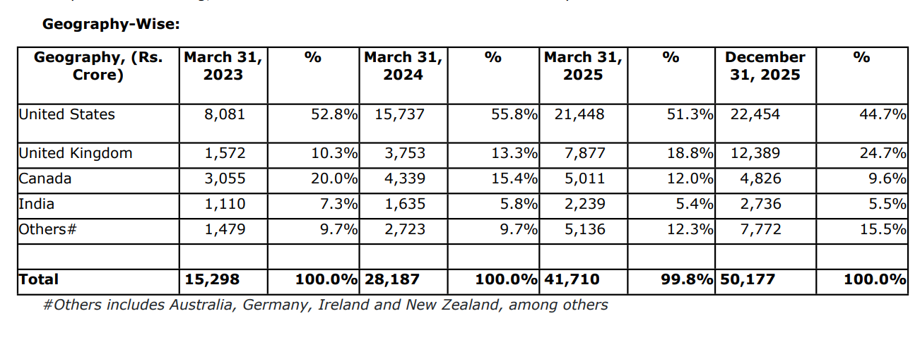
Other Operation Income | 236 | 560 | 371 | NOF/Loan Book | 17.67% | 20.67% | 19.59%
Interest expended | 1,731 | 2,893 | 3,639 | Operational Efficiency
Net Interest Income | 804 | 1,272 | 2,051 | Cost to Income (on total operating income net-off interest expenses) | 27.10% | 19.65% | 20.57%
Total Operating Income | 2,771 | 4,726 | 6,061 | Cost to Income (on total operating income) | 10.17% | 7.62% | 8.22%
Other income | - | - | 6 | Operating Expenses: Avg. Assets | 1.18% | 0.90% | 0.95%
Total Income | 2,771 | 4,726 | 6,067 | Loan Book Performance
Operating expenses | 282 | 360 | 498 | Gross NPA % | 0.08% | 0.19% | 0.26%
Operating profit | 2,489 | 4,366 | 5,563 | Net NPA% | 0.03% | 0.07% | 0.10%
Pre-provisioning operating profit | 758 | 1,473 | 1,930 | Provision coverage Ratio | 54.38% | 65.01% | 61.54%
Provisions | 50 | 147 | 173 | Credit Cost | 0.23% | 0.42% | 0.38%
PAT | 529 | 990 | 1,316 | Return Indicators
TNW | 4,981 | 8,620 | 9,923 | Pre Provisioning operating profit (PPOP)margin | 3.17% | 3.70% | 3.66%
Net Owned Funds | 4,981 | 8,620 | 9,923 | RoA | 2.21% | 2.49% | 2.50%
Total Debt | 26,033 | 38,869 | 45,866 | RoE | 14.34% | 14.56% | 14.20%
Total Assets | 31,504 | 48,120 | 57,273 | Spread
Loans & Advances (Gross) | 28,187 | 41,710 | 50,654 | Yields (A) | 11.66% | 11.92% | 12.32%
Gross NPAs | 21 | 80 | 132 | Avg. Cost of Borrowing(B) | 8.72% | 8.92% | 8.59%
Net NPAs | 10 | 28 | 51 | Spread(A-B) | 2.94% | 3.00% | 3.73%

 |  |  |  | EMI |  | 23%
 |  |  |  | Moratorium |  | 77%

The Company received its NBFC license in 2007 and was the first financial services company established as a specialized institution for originating, holding and servicing education loans Line of activity: The Company provides education loan to Indian students to pursue higher education in India and abroad. § HDFC Credila distributes education loan products through its network at 8 locations, i.e., Mumbai, Pune, Hyderabad, Kolkata, Ahmedabad, Chennai, Bangalore and Delhi. The company has its registered office in Mumbai along with 1 Back-end office in Nashik which carries out tele calling and other operational work. § In addition to the 8 hubs and a registered office, the company has 7 HDFC Limited’s branches and 6 small branches spread across mentioned locations for business sourcing. The company also uses various channels for sourcing and marketing, which include the internet, branch network of HDFC Group and a few private sector banks, partnering with colleges, education consultants, and test preparation centers, advertising, and direct marketing. § HDFC Credila provides flexibility in terms of education loan. The credit team studies the student’s requirement and provides the customized solutions. It also provides the flexibility in repayment from India or Abroad (The amount should be equivalent to EMI in Indian rupees). § Education loan covers all of the tuition fees of the college/University, expenses including living and hostel expenses, examination fees, library/laboratory fees other necessary expenses for the course as assessed by the Company. Travel fare economy class return ticket between India and the country of study, if applicable. § The education loans are broadly classified under two heads- Unsecured loans and Secured loan.

Auxilo Finserve
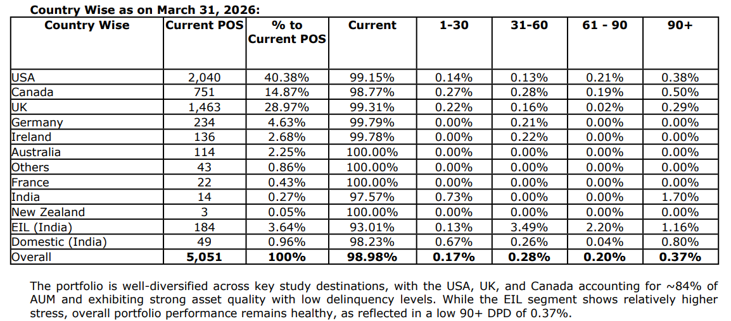
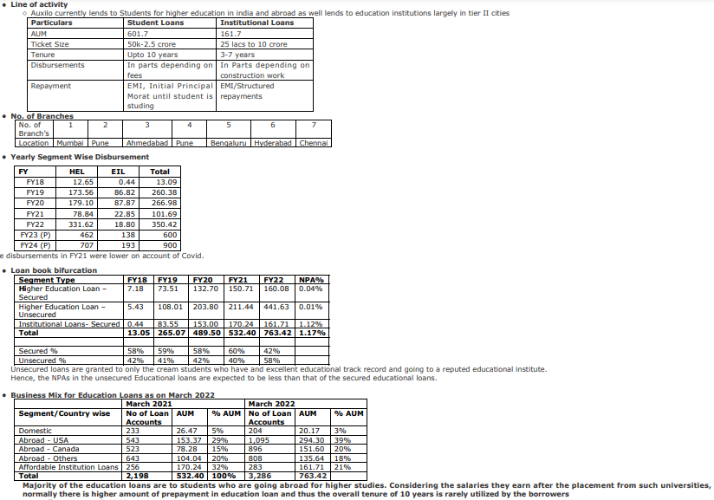
 |  |  | Rs in Crores
Auxilo Finserve
Particulars | FY 24 | FY 25 | FY 26 | Particulars | FY24(A) | FY25(A) | FY26(A)
 | Aud | Aud | Aud | Profitability
 | Ind AS | Ind AS | Ind AS | Net Interest Margin | 5.12% | 5.08% | 4.58%
Revenue from operations | 357 | 528 | 676 | Capitalization
Interest Income | 312 | 464 | 596 | Leverage (Debt/NOF) | 2.39x | 2.46x | 2.61x
Treasury income | - | - | - | CAR | 31.49% | 30.00% | 32.10%
Other Operation Income | 45 | 64 | 80 | NOF/Loan Book | 34.36% | 32.28% | 30.49%
Interest expended | 195 | 282 | 385 | Operational Efficiency
Net Interest Income | 117 | 182 | 212 | Cost to Income (on total operating income net-off interest expenses) | 44.98% | 40.06% | 46.58%
Total Operating Income | 357 | 528 | 676 | Cost to Income (on total operating income) | 20.35% | 18.65% | 20.07%
Other income | 11 | 16 | 14 | Operating Expenses: Avg. Assets | 2.73% | 2.40% | 2.62%
Total Income | 367 | 544 | 690 | Loan Book Performance
Operating expenses | 73 | 99 | 136 | Gross NPA % | 0.87% | 0.53% | 0.36%
Operating profit | 284 | 430 | 540 | Net NPA% | 0.50% | 0.08% | 0.10%
Pre-provisioning operating profit | 99 | 163 | 169 | Provision coverage Ratio | 42.40% | 84.51% | 72.22%
Provisions | 7 | 13 | 13 | Credit Cost | 0.30% | 0.36% | 0.28%
PAT | 69 | 112 | 117 | Return Indicators
TNW | 983 | 1,388 | 1,505 | Pre Provisioning operating profit (PPOP)margin | 3.74% | 3.96% | 3.27%
Net Owned Funds | 983 | 1,388 | 1,505 | RoA | 2.60% | 2.72% | 2.26%
Total Debt | 2,345 | 3,418 | 3,931 | RoE | 9.60% | 9.44% | 8.08%
Total Assets | 3,364 | 4,859 | 5,489 | Spread
Loans & Advances (Gross) | 2,859 | 4,299 | 4,937 | Yields (A) | 13.66% | 12.96% | 12.91%
Gross NPAs | 25 | 23 | 18 | Avg. Cost of Borrowing(B) | 10.26% | 9.79% | 10.47%
Net NPAs | 14 | 4 | 5 | Spread(A-B) | 3.40% | 3.17% | 2.44%
 |  |  |  | Prepayment Trend
 |  |  |  | Prepayment % | 15.00% | 16.00% | 20.00%
 |  |  |  | DPD
 |  |  |  | Current |  |  | 98.98%
 |  |  |  | 31-60 |  |  | 0.28%
 |  |  |  | 61-90 |  |  | 0.20%

 |  |  |  | Cumulative Prepayments |  |  | 48.94% (May 2026) | 39.46% (Aug 2026)

Muthoot Fincorp
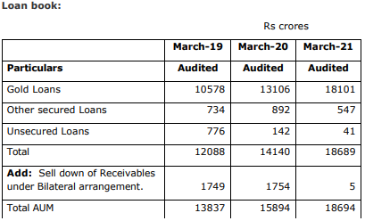
Muthoot Fincorp |  |  |  | Rs in Crores
Particulars | FY 22 | FY 23 | FY 24 | FY 25 | FY 26 | Profitability | FY22 (A) | FY23 (A) | FY24 (A) | FY25 (A) | FY26 (A)
 | Aud | Aud | Aud | Aud | Aud | Net Interest Margin | 8.88% | 9.93% | 9.79% | 11.12% | 12.95%
 | Ind AS | Ind AS | Ind AS | Ind AS | Ind AS | Capitalization
Revenue from operations | 3,326 | 3,470 | 4,011 | 5,540 | 8,364 | Leverage (Debt/NOF) | 5.14 | 4.58x | 4.78x | 5.38x | 6.53x
Interest Income | 3,174 | 3,305 | 3,715 | 4,936 | 7,728 | CAR | 19.42% | 21.34%
Treasury income | - | - | - | - | - | NOF/Loan Book | 19.91% | 22.14% | 20.10% | 18.68% | 14.46%
Other Operation Income | 152 | 165 | 177 | 273 | 462 | Operational Efficiency
Interest expended | 1,635 | 1,571 | 1,805 | 2,313 | 3,069 | Cost to Income (on total operating income net-off interest expenses) | 68.04% | 64.65% | 66.89% | 68.06% | 55.71%
Net Interest Income | 1,539 | 1,734 | 1,910 | 2,623 | 4,659 | Cost to Income (on total operating income) | 34.59% | 35.37% | 35.87% | 37.84% | 34.84%
Total Operating Income | 3,326 | 3,470 | 3,892 | 5,209 | 8,190 | Operating Expenses: Avg. Assets | 5.02% | 5.27% | 5.55% | 6.63% | 6.68%
Other income | 2 | 21 | 119 | 331 | 174 | Loan Book Performance
Total Income | 3,328 | 3,491 | 4,011 | 5,540 | 8,364 | Gross NPA % | 2.88% | 2.11% | 1.64% | 2.00% | 1.03%
Operating expenses | 1,150 | 1,227 | 1,396 | 1,971 | 2,853 | Net NPA% | 1.57% | 0.58% | 0.65% | 1.29% | 0.57%
Operating profit | 2,176 | 2,242 | 2,496 | 3,238 | 5,337 | Provision coverage Ratio | 45.57% | 72.49% | 60.40% | 35.66% | 44.75%
Pre-provisioning operating profit | 542 | 693 | 810 | 1,256 | 2,442 | Credit Cost | 0.41% | 0.38% | 0.15% | 0.47% | 0.72%
Provisions | 72 | 67 | 30 | 111 | 259
PAT | 347 | 460 | 563 | 787 | 1,640 | Return Indicators
TNW | 3,449 | 3,893 | 4,305 | 4,810 | 6,679 | Pre Provisioning operating profit (PPOP)margin | 2.37% | 2.97% | 3.22% | 4.23% | 5.71%
Net Owned Funds | 3,449 | 3,893 | 4,305 | 4,810 | 6,679 | RoA | 1.51% | 1.97% | 2.24% | 2.65% | 3.84%
Total Debt | 17,715 | 17,823 | 20,596 | 25,855 | 43,609 | RoE | 10.06% | 12.52% | 13.73% | 17.27% | 28.55%
Total Assets | 22,904 | 23,699 | 26,611 | 32,811 | 52,671 | Spread
Loans & Advances (Gross) | 17,323 | 17,586 | 21,415 | 25,752 | 46,193 | Yields (A) | 18.32% | 18.93% | 19.05% | 20.93% | 21.48%
Gross NPAs | 500 | 372 | 351 | 516 | 476 | Avg. Cost of Borrowing(B) | 9.23% | 8.84% | 9.40% | 9.96% | 8.84%
Net NPAs | 272 | 102 | 139 | 332 | 263 | Spread(A-B) | 9.09% | 10.09% | 9.65% | 10.97% | 12.65%

The company is primarily into the business of lending against security of gold jewelry which is 97% of standalone loan book in March 2021. In addition, the company has vehicle loan, corporate loan to NBFC-MFIs which constitute balance of standalone loan book. Based on wide & long industry experience, the company has designed an appropriate assessment and underwriting methodology. Assessing the purity of gold, fixing the sum that can be lent against a gram of gold, and determining appropriate LTV ratios are critical aspects in the assessment process.

Veritas Finance
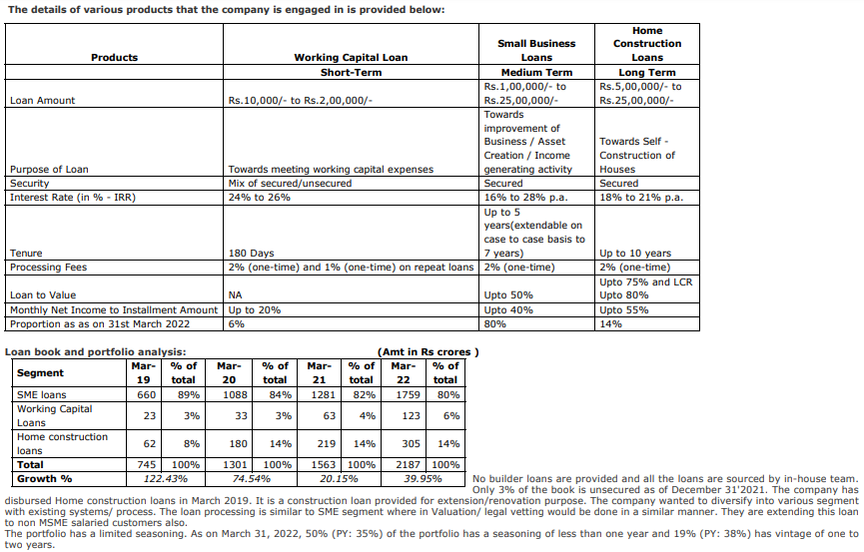
 |  |  |  |  |  |  |  |  |  | Rs In Lakhs
Particulars | FY17 | FY18 | FY 19 | FY20 | FY 21 | FY 22 | FY 23 | FY 24 | Q1 | Q2 | Q3 | Q4 |  |  |  | Profitability | FY18 (A) | FY19 (A) | FY20 (A) | FY21 (A) | FY22 (A) | FY23 (A) | FY24 (A) | Q1 | Q2 | Q3 | Q4
 | Aud | Aud. | Aud. | Aud. | Aud | Aud | Aud | Aud | Unaud |  |  |  |  |  |  | Net Interest Margin |  | 11.30% | 14.19% | 14.39% | 14.95% | 16.24% | 15.42%
 | I GAAP | I GAAP | Ind AS | Ind AS | Ind AS | Ind AS | Ind AS | Ind AS |  |  |  |  |  |  |  | Capitalization
Revenue from operations |  |  | 13568.95 | 27558.1 | 36,010 | 44,208 | 68,023 | 111,120 | 22,853 | 26,073 | 29,678 | 32,517 | 34028.67 | 37656.8 | 39970.94 | Leverage (Debt/TNW) |  | 1.35 | 1.13 | 1.41 | 0.85 | 1.53 | 1.74
Interest Income |  |  | 12442.18 | 25131.33 | 32,771 | 40,930 | 63,370 | 102,933 | 21,804 | 24,787 | 28,009 | 31,106 | 32717.89 | 36089.81 | 38379.16 | CAR |  | 48.04% | 59.28% | 50.65% | 64.43% | 45.00% | 41.00% | 41.75% | 47.16% | 45.09% | 41% | 40.79% | 40.87% | 39.15%
Treasury income |  |  |  |  | - | - |  |  |  |  |  |  |  |  |  | NOF/Loan Book |  | 59.01% | 63.18% | 56.82% | 64.37% | 45.03% | 39.83%
Other Operation Income |  |  | 1,127 | 2,427 | 3,238 | 3,278 | 4,653 | 8,187 | 1,048 | 1,285 | 1,669 | 1,411 | 1,311 | 1,567 | 1,592 | Operational Efficiency
Interest expended |  |  | 4,041 | 10,627 | 12,165 | 12,894 | 16,921 | 31,562 | 6,363 | 6,952 | 8,580 | 9,665 | 10597.98 | 11857.78 | 12772.08 | Cost to Income (on total operating income net-off interest expenses) |  | 70.75% | 65.26% | 49.29% | 49.17% | 45.66% | 48.87%
Net Interest Income | - | - | 8,401 | 14,504 | 20,607 | 28,036 | 46,449 | 71,371 | 15,442 | 17,836 | 19,429 | 21,441 | 22,120 | 24,232 | 25,607 | Cost to Income (on total operating income) |  | 49.68% | 40.09% | 32.64% | 34.83% | 34.30% | 34.99%
Total Operating Income | - | - | 13,569 | 27,558 | 36,010 | 44,208 | 68,023 | 111,120 | 22,853 | 26,073 | 29,678 | 32,517 | 34,029 | 37,657 | 39,971 | Operating Expenses: Avg. Assets |  | 6.39% | 7.58% | 5.83% | 6.39% | 6.93% | 7.39%
Other income |  |  | 3 | 10 | 158 | 156 | 198 | 1,260 | 87 | 253 | 274 | 646 | 214.56 | 111.27 | 194.29 | Loan Book Performance
Total Income |  |  | 13,572 | 27,568 | 36,167 | 44,365 | 68,221 | 112,380 | 22,939 | 26,325 | 29,952 | 33,163 | 34,243 | 37,768 | 40,165 | Gross NPA % |  | 1.07% | 0.21% | 2.70% | 3.94% | 2.19% | 1.79% | 2.17% | 2.09% | 1.86% | 1.79% | 1.77% | 1.95% | 2.12%
Operating expenses |  |  | 6,742 | 11,049 | 11,754 | 15,399 | 23,334 | 38,878 | 8,296 | 10,126 | 10,018 | 10,441 | 12268.09 | 13123.94 | 12701.36 | Net NPA% |  | 0.15% | 0.29% | 1.35% | 2.31% | 1.25% | 0.84% | 1.25% | 1.19% | 1.05% | 0.85% | 0.85% | 0.97% | 1%
Operating profit |  |  | 6,827 | 16,510 | 24,256 | 28,810 | 44,689 | 72,242 | 14,557 | 15,946 | 19,660 | 22,076 | 21,761 | 24,533 | 27,270 | Provision coverage Ratio |  | 86.41% | -35.62% | 50.03% | 41.47% | 42.82% | 53.14% | 42.40%
Pre-provisioning operating profit |  |  | 2,790 | 5,892 | 12,249 | 16,072 | 27,965 | 41,940 | 8,280 | 9,247 | 11,354 | 13,058 | 11,377 | 12,786 | 14,692 | Credit Cost |  | 0.60% | 1.48% | 2.83% | 3.17% | 1.64% | 2.08% | 1.78% | 1.82% | 2.72% | 1.83%
Provisions |  |  | 447 | 1,510 | 4,045 | 5,936 | 4,680 | 9,643 | 2,060 | 2,003 | 3,000 | 2,581 | 2658.72 | 3784.53 | 5626.83
PAT |  |  | 1,706 | 3,334 | 6,202 | 7,540 | 17,640 | 24,505 | 4,631 | 5,558 | 6,337 | 7,979 | 6569.24 | 6741.82 | 6893 | Return Indicators
TNW |  |  | 43,890 | 82,179 | 88,802 | 140,805 | 159,126 | 227,974 | 163,558 | 218,292 | 224,770 | 232,955 |  | 254696.01 |  | Pre Provisioning operating profit (PPOP)margin |  |  | 4.04% | 6.07% | 6.67% | 8.31% | 7.98%
Net Owned Funds |  |  | 43,890 | 82,179 | 88,802 | 140,805 | 159,126 | 227,974 | 163,558 | 218,292 | 224,770 | 232,955 | - | 254,696 |  | RoA |  | 4.47% | 2.29% | 3.08% | 3.13% | 5.24% | 4.66%
Total Debt |  |  | 59,463 | 92,982 | 125,415 | 119,565 | 242,889 | 397,114 |  | 322,341 |  | 397,114 |  | 488941.85 |  | RoE |  | 3.89% | 5.29% | 7.25% | 6.57% | 11.76% | 12.66%
Total Assets |  |  | 105,536 | 185,858 | 217,486 | 264,247 | 408,978 | 642,528 |  | 550,064 |  | 642,528 |  | 760566.02 |  | Spread
Loans & Advances (Gross) |  |  | 74,380 | 130,067 | 156,275 | 218,735 | 353,373 | 572,379 |  | 441,073 |  | 563,455 |  | 640057.53 |  | Yields (A) |  | 16.73% | 24.58% | 22.89% | 21.83% | 22.15% | 22.24%
Gross NPAs |  |  | 799 | 275 | 4,217 | 8,614 | 7,729 | 10,260 |  |  |  |  |  |  |  | Avg. Cost of Borrowing(B) |  | 6.80% | 13.94% | 11.14% | 10.53% | 9.34% | 9.86%
Net NPAs |  |  | 109 | 373 | 2,107 | 5,042 | 4,420 | 4,808 |  |  |  |  |  |  |  | Spread(A-B) |  | 9.93% | 10.64% | 11.75% | 11.30% | 12.82% | 12.37%

Veritas is currently engaged mainly in providing Collateralized Small Business Loans, Working capital loans and Home construction loans to its customers in urban, semiurban and fast-growing rural geographies. SME loans and construction loans are backed by collateral whereas Working capital loan is a mix of secured/ unsecured loan. The collaterals are usually the residential house property of the borrower(s) (self-occupied in a majority of cases) with exclusive charge resting with Veritas. Property valuation is done by in house team and adequate discounts / haircuts applied to ensure that the valuation reflects near realizable value in a distress scenario. Veritas Finance takes only those commercial properties where the customer currently operates their business from, which ensures emotional connect as much as the residential property where the customer currently resides. One of the core principles of Veritas Finance is to provide loans based on cash flow assessment to ensure that the EMI is around 30% to 40% of monthly net income (installment to income ratio) of the customer. Also, the typical ticket size is between Rs.2 Lakhs to Rs.5 Lakhs (around 70% portfolio in Rs.2-5 lakh loan amount) resulting in affordable EMI amount and the LTV is also restricted up to 50% of the value of the collateral providing adequate cover in cases of stress. The company has secured portfolio of 94% which is secured by residential and self occupied property. The remaining 6% unsecured portfolio is mainly in Chennai where the company has considerable experience and understanding of their borrowers, complimented by a strong collections team.

Oxyzo Financial
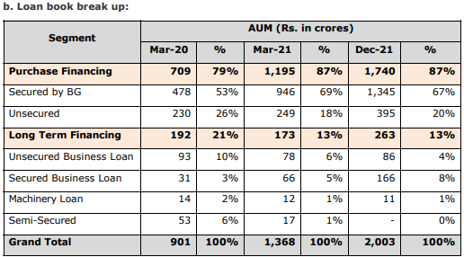
 |  |  |  |  |  |  |  |  |  | Rs in Lakhs
Particulars | FY17 | FY18 | FY 19 | FY20 | FY 21 | FY 22 | FY 23 | FY 24 | Q1 | Q2 | Q3 | Q4 | Q1 | Q2 | Q3 | Profitability | FY18 (A) | FY19 (A) | FY20 (A) | FY21 (A) | FY22 (A) | FY23 (A) | FY24 (A) | Q1 | Q2 | Q3 | Q4
 | Aud | Aud. | Aud. | Aud. | Aud | Aud | Aud | Aud | Unaud |  |  |  |  |  |  | Net Interest Margin |  | 6.53% | 10.89% | 8.59% | 7.25% | 8.17% | 7.90%
 | I GAAP | I GAAP | Ind AS | Ind AS | Ind AS | Ind AS | Ind AS | Ind AS |  |  |  |  |  |  |  | Capitalization
Revenue from operations |  |  | 4245.83 | 13517.51 | 19,753 | 31,297 | 56,120 | 85,314 | 18,730 | 20,769 | 22,193 | 23,745 | 25297.36 | 27418.76 | 28280.06 | Leverage (Debt/TNW) |  | 2.55 | 1.95 | 2.60 | 1.45 | 1.36 | 1.79 | #DIV/0! | 1.56 | #DIV/0! | 1.79 | 1.8
Interest Income |  |  | 4165.08 | 12963.8 | 18,885 | 28,664 | 48,233 | 76,800 | 18,168 | 20,181 | 21,438 | 23,198 | 24611.98 | 26471.37 | 26849.42 | CAR |  | 27.57% | 35.14% | 32.32% | 48.38% | 42.65% |  | 43.19% | 40.42% | 38.97% | 36.80% | 37.12% | 37.68% | 36.85%
Treasury income |  |  |  |  | - | - |  |  |  |  |  |  |  |  |  | NOF/Loan Book |  | 28.28% | 34.94% | 32.48% | 54.00% | 48.43% | 38.46%
Other Operation Income |  |  | 81 | 554 | 868 | 2,633 | 7,887 | 8,514 | 562 | 588 | 756 | 547 | 685 | 947 | 1,431 | Operational Efficiency
Interest expended |  |  | 1,804 | 6,029 | 9,022 | 14,297 | 18,327 | 31,702 | 6,686 | 7,671 | 8,231 | 9,113 | 10010.82 | 10674.3 | 11349.85 | Cost to Income (on total operating income net-off interest expenses) |  | 68% | 41% | 35% | 36% | 24% | 21%
Net Interest Income | - | - | 2,361 | 6,935 | 9,863 | 14,367 | 29,906 | 45,098 | 11,482 | 12,509 | 13,206 | 14,085 | 14,601 | 15,797 | 15,500 | Cost to Income (on total operating income) |  | 38.84% | 22.85% | 19.12% | 19.65% | 16.25% | 13.46%
Total Operating Income | - | - | 4,246 | 13,518 | 19,753 | 31,297 | 56,120 | 85,314 | 18,730 | 20,769 | 22,193 | 23,745 | 25,297 | 27,419 | 28,280 | Operating Expenses: Avg. Assets |  | 4.37% | 4.62% | 2.90% | 2.42% | 2.02% | 2.22%
Other income |  |  | - | 2 | 4 | 27 | 59 | 18 | - |  |  | 18 | 0.02 | 0.35 | 0.34 | Loan Book Performance
Total Income |  |  | 4,246 | 13,519 | 19,757 | 31,324 | 56,178 | 85,331 | 18,730 | 20,769 | 22,193 | 23,763 | 25,297 | 27,419 | 28,280 | Gross NPA % |  | 0.00% | 0.91% | 1.21% | 1.01% | 0.89% | 1.02% | 1.09% | 1.02% | 1.15% | 1.02% | 0.95% | 1.09% | 1.17%
Operating expenses |  |  | 1,649 | 3,088 | 3,777 | 6,148 | 9,118 | 11,484 | 2,897 | 2,545 | 2,757 | 3,285 | 3185.32 | 3149.2 | 3687.66 | Net NPA% |  | 0.00% | 0.28% | 0.49% | 0.43% | 0.45% | 0.44% | 0.61% | 0.62% | 0.64% | 0.45% | 0.38% | 0.45% | 0.50%
Operating profit |  |  | 2,597 | 10,429 | 15,976 | 25,149 | 47,001 | 73,830 | 15,833 | 18,225 | 19,436 | 20,460 | 22,112 | 24,270 | 24,592 | Provision coverage Ratio |  | #DIV/0! | 69.06% | 59.08% | 57.82% | 48.67% | 56.51% | 44.04%
Pre-provisioning operating profit |  |  | 793 | 4,401 | 6,958 | 10,878 | 28,733 | 42,145 | 9,147 | 10,553 | 11,204 | 11,365 | 12,101 | 13,596 | 13,243 | Credit Cost |  | 0.78% | 2.47% | 1.37% | 0.69% | 0.76% | 0.65%
Provisions |  |  | 282 | 1,571 | 1,576 | 1,367 | 2,767 | 3,712 | 706 | 1,164 | 959 | 883 | 899.06 | 2141.71 | 2373.71
PAT |  |  | 405 | 2,106 | 3,994 | 6,934 | 19,651 | 28,568 | 6,281 | 7,185 | 7,442 | 7,659 | 8453.86 | 8226.27 | 8289.1 | Return Indicators
TNW |  |  | 10,228 | 31,865 | 44,962 | 139,229 | 229,497 | 256,793 |  | 241,493 |  | 257,042 |  | 273711.17 |  | Pre Provisioning operating profit (PPOP)margin |  |  | 6.58% | 5.34% | 4.28% | 6.37% | 8.16%
Net Owned Funds |  |  | 10,228 | 31,865 | 44,962 | 139,229 | 229,497 | 256,793 | - | 241,493 | - | 257,042 | - | 273,711 |  | RoA |  | 4.47% | 3.15% | 3.07% | 2.73% | 4.36% | 5.53%
Total Debt |  |  | 26,086 | 62,250 | 116,838 | 201,479 | 312,570 | 459,707 |  | 377,213 |  | 459,727 |  | 484062.54 |  | RoE |  | 3.95% | 10.01% | 10.40% | 7.53% | 10.66% | 11.75%
Total Assets |  |  | 37,751 | 95,953 | 164,513 | 343,920 | 557,764 | 474,614 |  | 631,347 |  | 735,282 |  | 776885.95 |  | Spread
Loans & Advances (Gross) |  |  | 36,173 | 91,201 | 138,408 | 257,853 | 473,917 | 667,617 |  | 524,815 |  | 657,423 |  | 681518.44 |  | Yields (A) |  | 11.51% | 20.36% | 16.45% | 14.47% | 13.18% | 13.46%
Gross NPAs |  |  |  | 832 | 1,672 | 2,610 | 4,195 | 6,787 |  |  |  |  |  |  |  | Avg. Cost of Borrowing(B) |  | 6.92% | 13.65% | 10.08% | 8.98% | 7.13% | 8.21%
Net NPAs |  |  |  | 258 | 684 | 1,101 | 2,153 | 2,952 |  |  |  |  |  |  |  | Spread(A-B) |  | 4.60% | 6.70% | 6.37% | 5.48% | 6.05% | 5.25%
 |  |  |  |  |  |  |  |  |  |  |  |  |  |  |  | LCR |  |  |  |  |  |  |  |  |  |  |  |  |  | 246.91%
OFB group through its business model has created one stop solution for B2B SMEs through which it provides multiple services i.e. procurement of raw material, financing for procuring raw material and business development opportunities. OFB Tech, the parent company of the group having a brand name ‘Ofbusiness”, started its trading operations in 2015 catering largely to small and medium corporates. It trades products like steel, cement, polymers, petroleum derivatives, non-ferrous metals, industrial chemicals, building material, etc. With the increase in scale of operations, the company has now started catering to large corporates as well. The business model of trading involves multiple products of multiple brands, with the procurement being supported by MoUs with direct manufacturers. Furthermore, it does not hold any inventory as 100% of its sales are order-backed, this protects company against any price volatility risk and inventory risk. Oxyzo an NBFC arm of the group provides unsecured and secured purchase finance / business loans to SMEs having turnover of Rs. 5 – 100 Crores engaged in manufacturing/sub-contracting and other B2B businesses with minimum vintage of 5 years, for financing the purchase of raw materials that are used in their core business. Consequently, there are high interlinkages between the operations of both the entities as both entities work as lead generation for one another, both entities added services to each other’s customers and both entities acts as data source for each other providing market insights. As a result, significant monthly disbursements from Oxyzo goes towards SMEs procuring raw material from OFB Tech and significant business of OFB Tech comes from Oxyzo Finance’s customers. The company gets ~15-20% in FY2022 as against ~40% in FY21 of their business from 'OfBusiness' platform clients who opts for purchase financing while procuring raw material on the platform while the remaining ~80% in Fy22 as against ~60% in FY21 business i

MAS Financial Ser
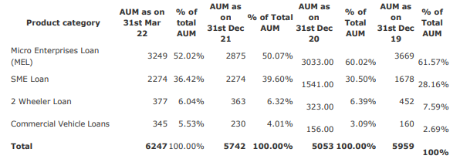
 |  |  |  |  |  |  |  |  |  | Rs in Lakhs
Particulars | FY17 | FY18 | FY 19 | FY20 | FY 21 | FY 22 | FY 23 | FY 24 | Q1 | Q2 | Q3 | Q4 | Q4 FY23 | Q1FY25 | Q2FY25 |  | Profitability | FY18 (A) | FY19 (A) | FY20 (A) | FY21 (A) | FY22 (A) | FY23 (A) | FY24 (A) | Q1 | Q2 | Q3 | Q4
 | Aud | Aud. | Aud. | Aud. | Aud | Aud | Aud | Aud | Unaud |  |  |  |  |  |  |  | Net Interest Margin | 10.46% | 7.46% | 7.82% | 4.90% | 4.70% | 4.24% | 6.20% | 6.26% | 6.42% | 5.65% | 6.29% | 5.86% | 6.52% | 6.56% | 6.97% | Time Period Particulars |  | Latest Completed Quarter [A] | Previous Completed Quarter [B=A-1] | A-2 Quarters | A-3 Quarters | Quarter 12M prior 'A' [C] | Latest Completed FY [G] | Previous Completed FY [H]
 | I GAAP | I GAAP | Ind AS | Ind AS | Ind AS | Ind AS | Ind AS | Ind AS |  |  |  |  |  |  |  |  | Capitalization
Revenue from operations |  |  | 57,233 | 68,240 | 59324.71 | 65594.47 | 94609 | 121715 | 27,855 | 29,582 | 32,364 | 32,810 | 26674 | 34592 | 36505 | 38971 | Leverage (Debt/NOF) | 4.27 | 2.22 | 2.48 | 2.81 | 3.23 | 3.88 | 3.99 |  | 4.07 |  | 3.99 | 3.88 |  | 3.24 |  | S.No. | Parameter | Value in INR cr. [Ratios in %]
Interest Income |  |  | 44,426 | 52,822 | 43,935 | 51,587 | 69,678 | 102,228 | 23,623 | 24,904 | 27,028 | 27,569 | 23008 | 29516 | 30783 | 33320 | CAR |  | 29.13% | 31.97% | 26.85% | 26.35% | 25.25% | 24.05% |  | 25.17% | 24.47% | 24.05% |  | 28.59% | 26.52% | 25.34% | 1 | Net Interest Margin (%) | 6.29% | 5.65% |  |  | 5.86% | 6.20% | 4.24%
Treasury income |  |  |  |  | - | - |  |  |  |  |  |  |  |  |  |  | NOF/Loan Book | 19.72% | 28.27% | 31.12% | 30.82% | 28.73% | 25.47% | 24.35% |  |  |  |  |  |  |  |  | 2 | Net Profit/Loss | 68.05 | 62.44 | 60.01 | 57.25 |  | 247.75 | 200.96
Other Operation Income |  |  | 12,808 | 15,418 | 15,390 | 14,008 | 24,931 | 19,487 | 4,232 | 4,678 | 5,336 | 5,241 | 3,666 | 5,076 | 5,722 | 5,651 | Operational Efficiency |  |  |  |  |  |  |  |  |  |  |  |  |  |  |  | 3 | Gross NPA Ratio (%) | 2.25% | 2.23% |  |  | 2.25% | 2.25% | 2.25%
Interest expended |  |  | 20,413 | 27,202 | 26,449 | 31,954 | 47,482 | 61,416 | 14,276 | 14,613 | 16,375 | 16,152 | 14350 | 17144 | 17540 | 18454 | Cost to Income (on total operating income net-off interest expenses) |  |  | 21.90% | 17.67% | 27.39% | 33.22% | 31.42% |  |  |  |  |  |  |  |  | 4 | Net NPA Ratio (%) | 1.15% | 1.48% |  |  | 1.34% | 1.15% | 1.34%
Net Interest Income | - | - | 24,013 | 25,620 | 17,486 | 19,633 | 22,196 | 40,812 | 9,347 | 10,291 | 10,653 | 11,417 | 8,658 | 12,372 | 13,243 | 14,866 | Cost to Income (on total operating income) | 39.96% | 13.98% | 13.17% | 9.79% | 14.05% | 16.55% | 15.56% |  |  |  |  |  |  |  |  | 5 | Credit Cost (%) | 1.18% | 1.36% |  |  | 1.23% | 1.36% | 1.01%
Total Operating Income | - | - | 57,233 | 68,240 | 59,325 | 65,594 | 94,609 | 121,715 | 27,855 | 29,582 | 32,364 | 32,810 | 26,674 | 34,592 | 36,505 | 38,971 | Operating Expenses: Avg. Assets | 5.46% | 2.16% | 2.18% | 1.19% | 1.64% | 2.28% | 2.26% |  |  |  |  |  |  |  |  | 6 | Cash & Liquid Investments up to 3 months in ALM | 531.43
Other income |  |  | 25 | 72 | 64 | 151 | 300 | 742 | 152 | 234 | 213 | 143 | 108 | 58 | 190 | 38 | Loan Book Performance |  |  |  |  |  |  |  |  |  |  |  |  |  |  |  | 7 | Debt Obligations due for repayment in the next 3 months | 485.74
Total Income |  |  | 57,258 | 68,312 | 59,389 | 65,745 | 94,909 | 122,457 | 28,007 | 29,816 | 32,577 | 32,953 | 26,782 | 34,650 | 36,695 | 39,009 | Gross NPA % | 1.52% | 2.04% | 1.89% | 1.69% | 2.30% | 2.25% | 0.00% | 2.13% | 2.17% | 2.23% | 2.25% |  | 2.29% | 2.36% | 2.41% | 8 | 3M Liquidity Cover for Debt Obligations | 109.41%
Operating expenses |  |  | 7,999 | 8,986 | 5,810 | 9,215 | 15,657 | 18,944 | 4,268 | 4,843 | 5,179 | 5,550 | 3567 | 5673 | 6316 | 6728 | Net NPA% | 0.47% | 1.62% | 1.31% | 1.04% | 1.32% | 1.34% | 0.00% | 1.47% | 1.47% | 1.48% | 1.15% |  | 1.52% | 1.57% | 1.62% | 9 | Liquidity Coverage Ratio [%] | 547.22%
Operating profit |  |  | 49,234 | 59,253 | 53,514 | 56,380 | 78,952 | 102,771 | 23,587 | 24,739 | 27,185 | 27,260 | 23,107 | 28,919 | 30,189 | 32,243 | Provision coverage Ratio | 69.65% | 20.59% | 30.28% | 38.61% | 42.61% | 40.20% | #DIV/0! |  |  |  |  |  |  |  |  | 10 | Reported Total CRAR [%] | 24.05%
Pre-provisioning operating profit |  |  | 28,846 | 32,123 | 27,129 | 24,576 | 31,770 | 42,097 | 9,463 | 10,360 | 11,023 | 11,251 | 8,865 | 11,833 | 12,839 | 13,827 | Credit Cost | 1.57% | 1.69% | 2.65% | 2.20% | 0.82% | 1.01% | 1.36% | 1.26% | 1.47% | 1.36% | 1.18% | 1.23% | 1.26% | 1.30% | 1.56%
Provisions |  |  | 5,453 | 8,676 | 7,840 | 3,410 | 5,300 | 8,955 | 1,883 | 2,358 | 2,572 | 2,142 | 1824 | 2394 | 2633 | 3317 |  |  |  |  |  |  |  |  |  |  |  |  |  |  |  |  |  | Cells Needing Value Inputs
PAT |  |  | 15,212 | 17,821 | 14,350 | 15,783 | 20,096 | 24,775 | 5,725 | 6,001 | 6,244 | 6,805 | 5555 | 7043 | 7657 | 7811 | Return Indicators |  |  |  |  |  |  |  |  |  |  |  |  |  |  |  |  | Formula Cells
TNW |  |  | 90,982 | 103,871 | 117,257 | 130,846 | 150,573 | 176,896 |  | 163,103 |  | 176,896 | 150,573 |  | 239,179 |  | Pre Provisioning operating profit (PPOP)margin |  |  | 7.78% | 5.57% | 4.37% | 4.62% | 5.02%
Net Owned Funds |  |  | 90,982 | 103,871 | 117,257 | 130,846 | 150,573 | 176,896 | - | 163,103 | - | 176,896 | 150,573 | - | 239,179 | - | RoA | 4.18% | 4.47% | 4.31% | 2.95% | 2.81% | 2.92% | 2.95%
Total Debt |  |  | 201,965 | 258,011 | 329,383 | 423,197 | 583,752 | 704,933 |  | 663,039 |  | 704,933 | 583,752 |  | 774,807 |  | RoE | 21.28% | 16.72% | 18.29% | 12.98% | 12.72% | 14.28% | 15.13%
Total Assets |  |  | 370,355 | 455,679 | 517,760 | 607,502 | 767,652 | 910,924 |  | 856,214 |  | 910,924 | 767,652 |  | 1,052,365 |  | Spread
Loans & Advances (Gross) |  |  | 321,854 | 333,777 | 380,513 | 455,411 | 591,069 | 726,483 | 597,641 | 640,785 | 753,919 | 726,483 | 591,069 | 759,511 | 807,562 | 852,902 | Yields (A) | 17.43% | 13.80% | 16.11% | 12.30% | 12.34% | 13.32% | 15.52%
Gross NPAs |  |  | 6,580 | 6,292 | 6,443 | 10,489 | 13,270 |  |  |  |  |  | 13,270 |  |  |  | Avg. Cost of Borrowing(B) | 7.98% | 10.11% | 11.83% | 9.01% | 8.49% | 9.43% | 9.53%
Net NPAs |  |  | 5,225 | 4,387 | 3,955 | 6,020 | 7,935 |  |  |  |  |  | 7,935 |  |  |  | Spread(A-B) | 9.46% | 3.70% | 4.29% | 3.30% | 3.85% | 3.89% | 5.99%

 |  | MAS Financial Services Limited (MFSL) was incorporated in the year 1995 by Mr. Kamlesh Gandhi and Late Mr. Mukesh Gandhi. The company was registered as an NBFC in 1998 with RBI. It was initially engaged in lending of two-wheeler and micro enterprises loans and later on forayed in commercial vehicle loan and SME loan segments. In the year 2008, MFSL floated a subsidiary, MAS Rural Housing & Mortgage Finance Limited (MRHMFL), an NHB registered Housing Finance Company, which provides housing loans to the low-income group segment in rural and semi-urban areas. It is held 59.67% by MFSL and the remaining by the promoters of MFSL directly as on March 31st, 2022. Brief financials are given under other annexures. MFSL initially started its lending activities in the state of Gujarat and has gradually ventured and established its footprint in six other states (Rajasthan, Maharashtra, Madhya Pradesh, Karnataka, Tamil Nadu, Delhi/ NCR) and has expanded its operations across 114 branches at a standalone level and 69 branches of its housing finance company (HFC) subsidiary and is covering more than 4100 locations catering to the funding requirement of around seven lakh live customers.MFSL’s shareholders included marquee investors such as Axis Mutual Fund, IDFC Sterling Equity Fund, TATA AIA Life insurance and Vistra ITCL I Limited amongst others. Company’s product focuses more on middle and low income customer segments, and includes five principal categories: i. micro-enterprise loans ii. SME loans iii. two-wheeler loans iv. Commercial Vehicle loans (which include new and used commercial vehicle loans, used car loans and tractor loans) |  |  |  |  |  |  |  |  |  |  |  |  |  |  |  |  | 55522.99 | cash
 |  |  |  |  |  |  |  |  |  |  |  |  |  |  |  |  |  |  | 56910.76

PNB Housing
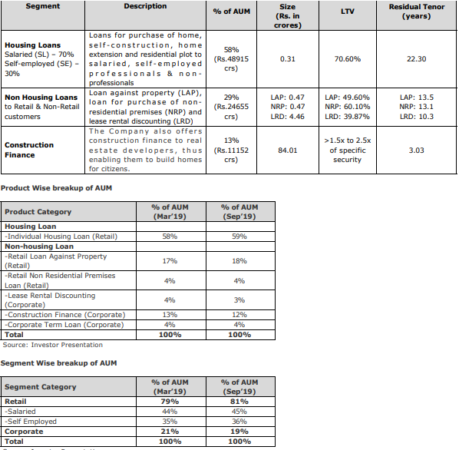
 |  |  |  |  |  |  |  |  | Rs in Crore
Particulars | FY17 | FY18 | FY 19 | FY20 | FY 21 | FY 22 | FY23 | Q1 | Q2 | Q3 | Q4 | Profitability | FY18 (A) | FY19 (A) | FY20 (A) | FY21 (A) | FY22 (A) | FY23(A) | Q1 | Q2 | Q3 | Q4
 | Aud | Aud. | Aud. | Aud. | Aud | Aud | Aud | Unaud |  |  |  | Net Interest Margin | 10.46% | 1.96% | 2.25% | 2.87% | 2.43% | 3.27%
 | I GAAP | I GAAP | Ind AS | Ind AS | Ind AS | Ind AS | Ind AS |  |  |  |  | Capitalization
Revenue from operations |  |  | 7480.86 | 8478.32 | 7,565 | 6,141 | 6,491 | 1,699 | 1,766 | 1,787 | 1,627 | Leverage (Debt/NOF) | 4.27 | 9.66 | 8.52 | 6.70 | 5.41 | 4.90
Interest Income |  |  | 6632.9 | 7487.68 | 6,987 | 5,536 | 5,816 | 1,658 | 1,691 | 1,707 | 1,581 | CAR |  | 13.98% | 17.98% | 18.73% | 23.40% | 24.43% |  | 30.38% | 24.60% | 24.43%
Treasury income |  |  |  |  | - | - |  |  |  |  |  | NOF/Loan Book | 19.72% | 9.92% | 11.61% | 14.02% | 16.92% | 18.46%
Other Operation Income |  |  | 848 | 991 | 578 | 605 | 674 | 40 | 75 | 80 | 46 | Operational Efficiency
Interest expended |  |  | 5,166 | 5,875 | 5,100 | 4,066 | 3,900 | 1,048 | 1,058 | 997 | 1,008 | Cost to Income (on total operating income net-off interest expenses) |  | 23.81% | 20.56% | 17.65% | 21.26% | 18.80% | 19.49%
Net Interest Income | - | - | 1,466 | 1,612 | 1,887 | 1,470 | 1,917 | 611 | 634 | 710 | 572 | Cost to Income (on total operating income) | 39.96% | 7.37% | 6.31% | 5.75% | 7.18% | 7.50% | 7.47%
Total Operating Income | - | - | 7,481 | 8,478 | 7,565 | 6,141 | 6,491 | 1,699 | 1,766 | 1,787 | 1,627 | Operating Expenses: Avg. Assets | 5.46% | 0.66% | 0.66% | 0.58% | 0.64% | 0.74% | 0.19%
Other income |  |  | 4 | 8 | 19 | 5 | 2 | 0 | 2 | 0 | 1 | Loan Book Performance
Total Income |  |  | 7,485 | 8,486 | 7,584 | 6,146 | 6,492 | 1,699 | 1,768 | 1,787 | 1,628 | Gross NPA % | 1.52% | 0.47% | 2.71% | 4.74% | 8.12% | 3.83% |  | 1.78% | 4.86% | 3.83%
Operating expenses |  |  | 551 | 535 | 435 | 441 | 487 | 127 | 145 | 167 | 129 | Net NPA% | 0.47% | 0.37% | 2.24% | 2.77% | 5.06% | 2.73% |  | 1.19% | 3.22% | 2.76%
Operating profit |  |  | 6,930 | 7,943 | 7,130 | 5,700 | 6,003 | 1,572 | 1,621 | 1,620 | 1,498 | Provision coverage Ratio | 69.65% | 21.54% | 17.32% | 41.66% | 37.72% | 28.77% |  |  | 33.74% | 27.94%
Pre-provisioning operating profit |  |  | 1,767 | 2,076 | 2,049 | 1,639 | 2,106 | 524 | 565 | 624 | 491 | Credit Cost | 1.57% | 0.25% | 1.74% | 1.31% | 0.95% | 1.18% | 0.10%
Provisions |  |  | 189 | 1,251 | 862 | 576 | 691 | 60 | 45 | 255 | 145
PAT |  |  | 1,081 | 682 | 925 | 822 | 1,056 | 353 | 384 | 272 | 283 | Return Indicators
TNW |  |  | 7,435 | 7,947 | 8,867 | 9,801 | 10,953 |  | 14,155 | 10,643 | 10,953 | Pre Provisioning operating profit (PPOP)margin |  |  | 2.55% | 2.73% | 2.39% | 3.18%
Net Owned Funds |  |  | 7,435 | 7,947 | 8,867 | 9,801 | 10,953 | - | 14,155 |  | 10,953 | RoA | 4.18% | 4.47% | 0.84% | 1.23% | 1.20% | 1.59%
Total Debt |  |  | 71,859 | 67,736 | 59,394 | 53,005 | 53,621 |  | 53,534 |  | 53,621 | RoE | 21.28% | 14.54% | 8.87% | 11.01% | 8.81% | 10.18%
Total Assets |  |  | 83,750 | 78,874 | 71,333 | 65,649 | 66,805 |  | 70,272 |  | 66,805 | Spread
Loans & Advances (Gross) |  |  | 74,922 | 68,434 | 63,231 | 57,940 | 59,341 |  | 59,732 |  | 57,909 | Yields (A) | 17.43% | 8.85% | 10.45% | 10.61% | 9.14% | 9.92%
Gross NPAs |  |  | 355 | 1,856 | 2,998 | 4,706 | 2,271 |  |  |  |  | Avg. Cost of Borrowing(B) | 7.98% | 7.19% | 8.42% | 8.02% | 7.23% | 7.31%
Net NPAs |  |  | 278 | 1,535 | 1,749 | 2,931 | 1,618 |  |  |  |  | Spread(A-B) | 9.46% | 1.66% | 2.03% | 2.59% | 1.90% | 2.60%

 |  |  | PNBHFL provides housing loans to individuals and corporate bodies for construction, purchase, repair and upgradation of houses. It also provides loans for commercial space, loan against property and loan for purchase of residential plots. The company also accepts Public Deposits of different maturities and various interest payment options. PNBHFL is the fifth largest HFC (by loan assets) and second largest HFC (by deposits) in India with asset under management (AUM) of Rs.84722 crs as of 31.03.2019 out of which it has securitized book of Rs.10699 crs (13% of AUM).

Aavas Financiers
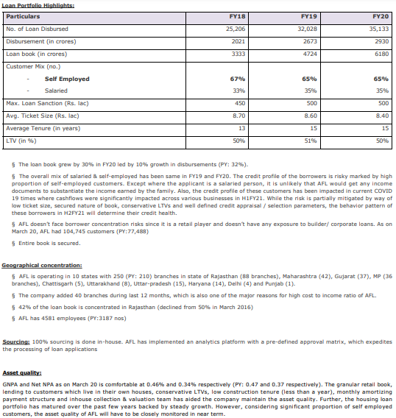
 |  |  |  |  |  |  |  |  |  | Rs in Lakhs
Particulars | FY17 | FY18 | FY 19 | FY20 | FY 21 | FY 22 | FY 23 | FY 24 | Q1 | Q2 | Q3 | Q4(23) | Q4FY24 | Q1FY25 | Q2FY25 | Q3FY25 | Profitability | FY18 (A) | FY19 (A) | FY20 (A) | FY21 (A) | FY22 (A) | FY23 (A) | FY24 (A) | Q1 | Q2 | Q3 | Q4 |  |  |  |  | Time Period Particulars |  | Latest Completed Quarter [A] | Previous Completed Quarter [B=A-1] | A-2 Quarters | A-3 Quarters | Quarter 12M prior 'A' [C] | Latest Completed FY [G] | Previous Completed FY [H]
 | Aud | Aud. | Aud. | Aud. | Aud | Aud | Aud | Aud | Unaud |  |  |  |  |  |  |  | Net Interest Margin |  | 6.43% | 6.96% | 6.41% | 7.03% | 6.83% | 5.97% | 7.59% | 7.17% | 6.80% | 7.71% | 6.77% | 6.77% | 6.57% | 6.62%
 | I GAAP | I GAAP | Ind AS | Ind AS | Ind AS | Ind AS | Ind AS | Ind AS |  |  |  |  |  |  |  |  | Capitalization |  |  |  |  |  |  |  |  |  |  |  |  |  |  |  | S.No. | Parameter | Value in INR cr. [Ratios in %]
Revenue from operations |  |  | 70996.98 | 90229.42 | 110,317 | 130,436 | 160,830 | 201,750 | 46,681 | 49,666 | 50,801 | 44,950 | 54601.99 | 54238.83 | 57916.22 | 59674.17 | Leverage (Debt/NOF) |  | 1.99 | 2.57 | 2.66 | 2.85 | 3.02 |  |  |  |  |  |  |  |  |  | 1 | Net Interest Margin (%) | 6.77% | 6.80% |  |  | 7.71% | 7.09% | 6.83%
Interest Income |  |  | 55978.31 | 73676.4 | 89,939 | 106,452 | 129,684 | 159,327 | 41,282 | 42,587 | 43,734 | 38,614 | 45861.8 | 47974.63 | 49061.32 | 51205.52 | CAR |  | 67.77% | 55.86% | 54.38% | 51.93% | 46.96% |  | 47.32% | 48.16% | 4501.00% | 46.94% | 43.99% | 44.48% | 46.48% | 45.56% | 2 | Net Profit/Loss | 142.61 | 116.65 | 121.72 | 109.71 |  | 490.69 | 430.07
Treasury income |  |  |  |  | - | - |  |  |  |  |  |  |  |  |  |  | NOF/Loan Book |  | 38.78% | 33.83% | 31.71% | 30.80% | 28.31% |  |  |  |  |  |  |  |  |  | 3 | Gross NPA Ratio (%) | 0.94% | 1.09% |  |  | 0.92% | 0.94% | 0.92%
Other Operation Income |  |  | 15,019 | 16,553 | 20,378 | 23,983 | 31,146 | 42,423 | 5,400 | 7,079 | 7,066 | 6,336 | 8,740 | 6,264 | 8,855 | 8,469 | Operational Efficiency |  |  |  |  |  |  |  |  |  |  |  |  |  |  |  | 4 | Net NPA Ratio (%) | 0.67% | 0.79% |  |  | 0.68% | 0.67% | 0.68%
Interest expended |  |  | 25,537 | 35,607 | 45,824 | 47,750 | 59,105 | 82,836 | 18,663 | 20,360 | 21,657 | 16,500 | 22156.3 | 23517.36 | 24885.19 | 25870.54 | Cost to Income (on total operating income net-off interest expenses) |  | 41.58% | 42.04% | 39.79% | 42.40% | 44.99% |  |  |  |  |  |  |  |  |  | 5 | Credit Cost (%) | 0.12% | 0.25% |  |  | 0.22% | 0.19% | 0.12%
Net Interest Income | - | - | 30,442 | 38,069 | 44,115 | 58,702 | 70,579 | 76,491 | 22,618 | 22,227 | 22,078 | 22,114 | 23,706 | 24,457 | 24,176 | 25,335 | Cost to Income (on total operating income) |  | 26.62% | 25.45% | 23.26% | 26.88% | 28.46% |  |  |  |  |  |  |  |  |  | 6 | Cash & Liquid Investments up to 3 months in ALM
Total Operating Income | - | - | 70,997 | 90,229 | 110,317 | 130,436 | 160,830 | 201,750 | 46,681 | 49,666 | 50,801 | 44,950 | 54,602 | 54,239 | 57,916 | 59,674 | Operating Expenses: Avg. Assets |  | 3.36% | 3.46% | 3.09% | 3.51% | 3.75% |  |  |  |  |  |  |  |  |  | 7 | Debt Obligations due for repayment in the next 3 months
Other income |  |  | 100 | 80 | 216 | 120 | 184 | 280 | 4 | 78 | 119 | 71 | 78.22 | 16.67 | 129.24 | 117.56 | Loan Book Performance |  |  |  |  |  |  |  |  |  |  |  |  |  |  |  | 8 | 3M Liquidity Cover for Debt Obligations | #DIV/0!
Total Income |  |  | 71,097 | 90,309 | 110,534 | 130,556 | 161,015 | 202,030 | 46,685 | 49,744 | 50,920 | 45,022 | 54,680 | 54,256 | 58,045 | 59,792 | Gross NPA % |  | 0.33% | 0.34% | 0.98% | 0.99% | 0.92% |  | 1.00% | 1.04% | 1.09% | 0.92% | 0.94% | 1.01% | 1.08% | 1.14% | 9 | Liquidity Coverage Ratio [%] | 103.12%
Operating expenses |  |  | 18,902 | 22,964 | 25,662 | 35,059 | 45,768 | 54,301 | 13,387 | 13,079 | 13,493 | 12,027 | 14342.96 | 13785.01 | 13675.38 | 14474.26 | Net NPA% |  | 0.24% | 0.28% | 0.71% | 0.76% | 0.68% |  | 0.73% | 0.76% | 0.79% | 0.68% | 0.67% | 0.72% | 0.78% | 0.81% | 10 | Reported Total CRAR [%] | 43.99%
Operating profit |  |  | 52,095 | 67,266 | 84,655 | 95,377 | 115,062 | 147,449 | 33,295 | 36,587 | 37,308 | 32,923 | 40,259 | 40,454 | 44,241 | 45,200 | Provision coverage Ratio |  | 29.42% | 18.40% | 27.25% | 23.06% | 26.91% |  | 27.00%
Pre-provisioning operating profit |  |  | 26,659 | 31,738 | 39,047 | 47,746 | 56,142 | 64,892 | 14,635 | 16,306 | 15,770 | 16,494 | 18,181 | 16,953 | 19,485 | 19,447 | Credit Cost |  | 0.19% | 0.28% | 0.54% | 0.27% | 0.12% | 0.19% | 0.19% | 0.21% | 0.25% | 0.22% | 0.12% | 0.24% | 0.13% | 0.16% |  | Cells Needing Value Inputs
Provisions |  |  | 890 | 1,534 | 3,714 | 2,261 | 1,242 | 2,447 | 568 | 652 | 797 | 638 | 431.54 | 858.34 | 482.81 | 607.29 |  |  |  |  |  |  |  |  |  |  |  |  |  |  |  |  |  | Formula Cells
PAT |  |  | 17,591 | 24,912 | 28,950 | 35,680 | 43,007 | 49,069 | 10,971 | 12,172 | 11,665 | 12,675 | 14261.53 | 12610.07 | 14790.5 | 14642.29 | Return Indicators
TNW |  |  | 183,696 | 209,793 | 240,140 | 280,864 | 326,966 | 334,270 |  | 351,356 |  | 326,996 | 377331.52 |  | 401952.59 |  | Pre Provisioning operating profit (PPOP)margin |  |  | 4.78% | 4.70% | 4.78% | 4.60%
Net Owned Funds |  |  | 183,696 | 209,793 | 240,140 | 280,864 | 326,966 | 334,270 | - | 351,356 | - | 326,996 | 377,332 | - | 401,953 |  | RoA |  | 4.47% | 3.75% | 3.48% | 3.57% | 3.52%
Total Debt |  |  | 365,325 | 538,216 | 637,772 | 801,198 | 988,728 | 1,233,650 |  | 1,114,441 |  | 984,069 | 1233649.57 |  | 1240807.79 |  | RoE |  | 9.58% | 12.66% | 12.87% | 13.70% | 14.15%
Total Assets |  |  | 562,683 | 765,804 | 896,005 | 1,102,038 | 1,341,053 | 1,651,945 |  | 1,503,761 |  | 1,341,053 | 1651945.36 |  | 1688512.07 |  | Spread
Loans & Advances (Gross) |  |  | 473,726 | 620,187 | 757,287 | 911,774 | 1,154,788 | 1,408,919 | 1,191,440 | 1,240,262 | 1,299,320 | 1,147,627 | 1400436.68 | 1444451.79 | 1471455.57 | 1531708.28 | Yields (A) |  | 11.82% | 13.47% | 13.06% | 12.76% | 12.55%
Gross NPAs |  |  | 1,583 | 2,096 | 7,391 | 9,036 | 10,669 | 13,186 |  |  |  |  |  |  |  |  | Avg. Cost of Borrowing(B) |  | 6.99% | 7.88% | 7.79% | 6.64% | 6.60%
Net NPAs |  |  | 1,117 | 1,710 | 5,378 | 6,953 | 7,798 | 9,387 |  |  |  |  |  |  |  |  | Spread(A-B) |  | 4.83% | 5.59% | 5.27% | 6.12% | 5.95%
 |  |  |  |  |  |  |  |  |  |  |  |  |  |  |  |  | LCR |  |  |  |  |  |  |  |  |  |  |  |  | 119.21% | 131.84% | 136.87%
Aavas Financiers Ltd (AFL) was incorporated in August 2011 as ‘Au Housing Finance Private Limited’ and is registered as housing finance company with NHB. It started operations in 2012 from Rajasthan AFL was promoted by AU Financiers (India) Limited, (now known as AU Small Finance Bank Limited), which sold 90.10% of the total 97% outstanding equity interest of the company in connection with its conversion to a small finance bank, to Lake District Holdings Limited (a subsidiary of Kedaara Capital I Limited), Kedaara Capital Alternative Investment Fund - Kedaara Capital AIF 1, Partners Group ESCL Limited and Partners Group Private Equity Master Fund LLC in June, 2016. Subsequently name of the company was changed to Aavas Financiers Ltd. (from AU Housing Finance Pvt Ltd).

Aavas Financiers Limited (AFL) is retail, affordable Housing Finance Company, primarily serving low and middle income self-employed customers (65%) and salaried (35%) in tier 2 and tier 3 towns in semi-urban and rural areas in India. The company offers home loans for the purchase (39%) or construction of residential properties (31%), and for the extension and repair of existing housing units (5%). They also offer customers other mortgage loans including loans against property (LAP), which accounts for 25% of the loan book.

Repco Home Finance
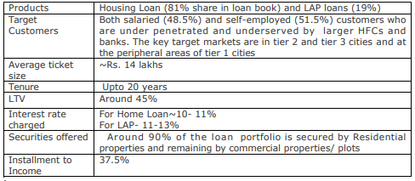
 |  |  | Limits cancelled in Dec |  |  |  |  | Rs in crores
Particulars | FY17 | FY18 | FY 19 | FY20 | FY 21 | FY 22 | Q1 | Q2 | Q3 | Q4 | Profitability | FY18 (A) | FY19 (A) | FY20 (A) | FY21 (A) | FY22 (A) | Q1 | Q2 | Q3 | Q4
 | Aud | Aud. | Aud. | Aud. | Aud | Aud | Unaud |  |  |  | Net Interest Margin |  | 4.03% | 4.32% | 4.55% | 4.76%
 | I GAAP | I GAAP | Ind AS | Ind AS | Ind AS | Ind AS |  |  |  |  | Capitalization
Revenue from operations |  |  | 1189.25 | 1345.46 | 1,373 | 1,290 | 302 | 314 | 327 |  | Leverage (Debt/NOF) |  | 6.12 | 5.66 | 4.95 | 4.34
Interest Income |  |  | 1163.37 | 1317.36 | 1,352 | 1,258 | 298 | 306 | 320 |  | CAR |  | 24.08% | 25.85% | 30.72% | 33.33%
Treasury income |  |  |  |  | - | - |  |  |  |  | NOF/Loan Book |  | 13.88% | 15.14% | 16.98% | 19.00%
Other Operation Income |  |  | 26 | 28 | 22 | 32 | 4 | 8 | 7 |  | Operational Efficiency
Interest expended |  |  | 720 | 825 | 807 | 690 | 165 | 169 | 181 |  | Cost to Income (on total operating income net-off interest expenses) |  | 20.97% | 20.46% | 20.21% | 20.67%
Net Interest Income | - | - | 443 | 492 | 545 | 568 | 133 | 137 | 139 |  | Cost to Income (on total operating income) |  | 8.28% | 7.92% | 8.33% | 9.62%
Total Operating Income | - | - | 1,189 | 1,345 | 1,373 | 1,290 | 302 | 314 | 327 |  | Operating Expenses: Avg. Assets |  | 0.90% | 0.93% | 0.94% | 1.02%
Other income |  |  | 6 | 6 | 19 | 16 | 5 | 3 | 4 |  | Loan Book Performance
Total Income |  |  | 1,195 | 1,351 | 1,392 | 1,307 | 307 | 318 | 331 |  | Gross NPA % |  | 2.96% | 4.34% | 4.15% | 7.50%
Operating expenses |  |  | 98 | 107 | 114 | 124 | 34 | 34 | 40 |  | Net NPA% |  | 1.37% | 1.89% | 2.68% | 5.28%
Operating profit |  |  | 1,091 | 1,239 | 1,259 | 1,166 | 268 | 280 | 287 |  | Provision coverage Ratio |  | 53.74% | 56.34% | 35.46% | 29.61% | #DIV/0!
Pre-provisioning operating profit |  |  | 377 | 420 | 471 | 493 | 108 | 114 | 110 |  | Credit Cost |  | 0.15% | 0.52% | 0.68% | 1.95%
Provisions |  |  | 17 | 59 | 81 | 233 | 24 | 19 | 1
PAT |  |  | 235 | 280 | 288 | 192 | 62 | 71 | 81 |  | Return Indicators
TNW |  |  | 1,527 | 1,787 | 2,059 | 2,236 |  | 2,353 |  |  | Pre Provisioning operating profit (PPOP)margin |  |  | 3.66% | 3.86% | 4.04%
Net Owned Funds |  |  | 1,527 | 1,787 | 2,059 | 2,236 | - | 2,353 |  |  | RoA |  | 4.47% | 2.44% | 2.36% | 1.57%
Total Debt |  |  | 9,349 | 10,109 | 10,197 | 9,692 |  | 9,645 |  |  | RoE |  | 15.36% | 16.92% | 14.96% | 8.92%
Total Assets |  |  | 10,957 | 11,994 | 12,365 | 11,997 |  | 12,101 |  |  | Spread
Loans & Advances (Gross) |  |  | 11,002 | 11,802 | 12,124 | 11,763 |  | 11,572 |  |  | Yields (A) |  | 10.57% | 11.55% | 11.30% | 10.53%
Gross NPAs |  |  | 326 | 512 | 504 | 882 |  |  |  |  | Avg. Cost of Borrowing(B) |  | 7.70% | 8.48% | 7.95% | 6.94%
Net NPAs |  |  | 151 | 223 | 325 | 621 |  |  |  |  | Spread(A-B) |  | 2.87% | 3.07% | 3.35% | 3.60%

 | RHFL is a affordable Housing Finance Company that provides loans for purchase/ construction/repairs to houses in accordance with all applicable regulatory prescriptions including the guidelines/directions of Reserve Bank of India (RBI)/National Housing Bank (NHB). The Company is primarily targeting markets that are relatively underpenetrated. The key target markets are in tier 2 and tier 3 cities and at the peripheral areas of tier 1 cities and as of Sept 30, 2021, the Company had 153 branches and 24 satellite centres catering to these markets. RHFL has a broad-based customer mix and the loans to salaried and non-salaried borrowers constituted 48.5% and 51.5%, respectively, of total AUM as at June 30, 2021.

 |  |  | Particulars(Rs Crore) | FY19 | FY20 | FY21 | Q1FY22
 |  |  | Housing Loans | 2357.02 | 2019.53 | 1395.94 | 193.68
 |  |  | Lap Loans | 677.17 | 607.34 | 378.52 | 46.04
 |  |  | Total Disbursements | 3034.19 | 2626.87 | 1774.46 | 239.72

Ambit Finvest
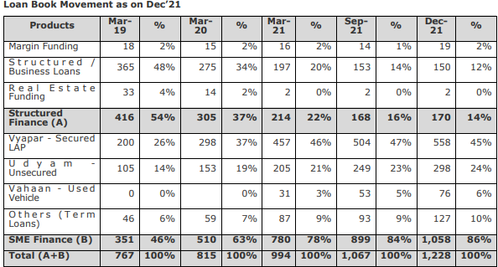
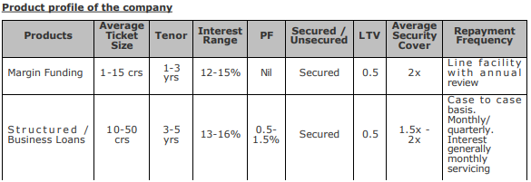
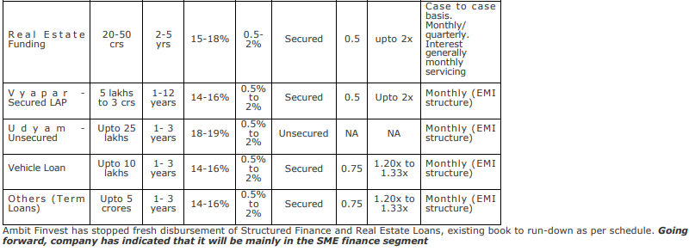
 |  |  |  |  |  |  |  |  |  | Rs in Lakhs |  |  | Publish Half Yearly
Particulars | FY17 | FY18 | FY 19 | FY20 | FY 21 | FY 22 | FY 23 | FY 24 | Q1 | Q2 | Q3 | Q4 |  |  |  | Profitability | FY18 (A) | FY19 (A) | FY20 (A) | FY21 (A) | FY22 (A) | FY23 (A) | FY24 (A) | Q1 | Q2 | Q3 | Q4
 | Aud | Aud. | Aud. | Aud. | Aud | Aud | Aud | Aud | Unaud |  |  |  |  |  |  | Net Interest Margin |  | 6.96% | 9.55% | 10.13% | 8.70% | 7.26% | 8.29% | #DIV/0! | 8.99% | #DIV/0! | 9.17% | #DIV/0! | 10.04%
 | I GAAP | I GAAP | Ind AS | Ind AS | Ind AS | Ind AS | Ind AS | Ind AS |  |  |  |  |  |  |  | Capitalization
Revenue from operations |  |  | 8219.24 | 12795.17 | 14,313 | 20,302 | 34,033 | 54,593 | 11,329 | 13,392 | 14,126 | 15,661 | 15750.03 | 15924.04 | 16418.54 | Leverage (Debt/NOF) |  | 1.10 | 0.63 | 0.81 | 1.61 | 2.55 | 2.43 |  | 2.52 |  | 2.43 | #DIV/0! | 1.63
Interest Income |  |  | 7951.92 | 12557.37 | 13,171 | 16,746 | 25,852 | 42,548 | 10,030 | 10,521 | 10,999 | 12,422 | 13116.72 | 13503.98 | 14545.81 | CAR |  |  |  | 56.92% | 38.45% | 27.61% | 29.44% |  | 29.62% |  | 29.19% | 40.40% | 36.41%
Treasury income |  |  |  |  | - | - |  |  |  |  |  |  |  |  |  | NOF/Loan Book |  | 48.79% | 85.91% | 64.54% | 50.13% | 30.84% | 31.83%
Other Operation Income |  |  | 267 | 238 | 1,141 | 3,556 | 8,182 | 12,046 | 1,298 | 2,871 | 3,126 | 3,239 | 2,633 | 2,420 | 1,873 | Operational Efficiency
Interest expended |  |  | 2,613 | 5,004 | 4,016 | 6,626 | 12,738 | 20,404 | 4,607 | 4,915 | 5,319 | 5,563 | 5758.99 | 5330.28 | 5838.64 | Cost to Income (on total operating income net-off interest expenses) |  | 40.91% | 52.36% | 55.54% | 70.36% | 73.48% | 68.61%
Net Interest Income | - | - | 5,339 | 7,553 | 9,156 | 10,120 | 13,114 | 22,143 | 5,423 | 5,606 | 5,680 | 6,859 | 7,358 | 8,174 | 8,707 | Cost to Income (on total operating income) |  | 27.90% | 31.88% | 39.96% | 47.40% | 45.98% | 42.97%
Total Operating Income | - | - | 8,219 | 12,795 | 14,313 | 20,302 | 34,033 | 54,593 | 11,329 | 13,392 | 14,126 | 15,661 | 15,750 | 15,924 | 16,419 | Operating Expenses: Avg. Assets |  | 2.83% | 4.33% | 5.04% | 6.40% | 7.00% | 7.53%
Other income |  |  | 441 | 183 | 199 | 137 | 922 | 1,584 | 207 | 372 | 409 | 595 | 372.6 | 520.29 | 460.98 | Loan Book Performance
Total Income |  |  | 8,660 | 12,978 | 14,512 | 20,439 | 34,955 | 56,177 | 11,536 | 13,764 | 14,535 | 16,256 | 16,123 | 16,444 | 16,880 | Gross NPA % |  | 0.59% | 1.59% | 2.67% | 2.84% | 2.24% | 2.57% |  | 2.96% |  | 2.57% | 2.87% | 2.90%
Operating expenses |  |  | 2,293 | 4,079 | 5,719 | 9,623 | 15,648 | 23,457 | 4,963 | 5,722 | 5,920 | 6,851 | 6498.93 | 6946.77 | 7473.55 | Net NPA% |  | 0.24% | 0.96% | 1.68% | 1.75% | 1.31% | 1.32% |  | 1.86% |  | 1.34% | 1.62% | 1.64%
Operating profit |  |  | 5,926 | 8,716 | 8,594 | 10,679 | 18,385 | 31,136 | 6,365 | 7,670 | 8,206 | 8,810 | 9,251 | 8,977 | 8,945 | Provision coverage Ratio |  | 58.76% | 39.64% | 37.14% | 38.38% | 41.42% | 48.51%
Pre-provisioning operating profit |  |  | 3,754 | 3,894 | 4,777 | 4,190 | 6,569 | 12,316 | 1,966 | 3,127 | 3,296 | 3,842 | 3,865 | 4,167 | 3,567 | Credit Cost |  | 1.39% | 2.19% | 2.54% | 0.65% | 1.60% | 2.49% | #DIV/0! | 2.17% | #DIV/0! | 3.16% | #DIV/0! | 2.15%
Provisions |  |  | 1,069 | 1,729 | 2,294 | 751 | 2,892 | 6,648 | 1,455 | 1,355 | 1,475 | 2,362 | 1383.97 | 1750.43 | 2003.81
PAT |  |  | 1,974 | 1,596 | 2,124 | 2,578 | 3,307 | 4,111 | 380 | 1,320 | 1,189 | 1,116 | 1852.62 | 1808.02 |  | Return Indicators
TNW |  |  | 37,417 | 69,980 | 64,132 | 66,802 | 70,303 | 97,488 |  | 84,793 |  | 97,295 |  | 143533.27 |  | Pre Provisioning operating profit (PPOP)margin |  |  | 4.14% | 4.21% | 2.79% | 2.94% | 3.95%
Net Owned Funds |  |  | 37,417 | 69,980 | 64,132 | 66,802 | 70,303 | 97,488 | - | 84,793 | - | 97,295 | - | 143,533 |  | RoA |  | 4.47% | 1.69% | 1.87% | 1.71% | 1.48% | 1.32%
Total Debt |  |  | 41,145 | 43,758 | 51,842 | 107,830 | 179,143 | 236,724 |  | 216,573 |  | 236,724 |  | 234179.97 |  | RoE |  | 5.28% | 2.97% | 3.17% | 3.94% | 4.82% | 4.90%
Total Assets |  |  | 80,922 | 107,429 | 119,424 | 181,353 | 265,706 | 357,221 |  | 315,282 |  | 357,028 |  | 403566.92 |  | Spread
Loans & Advances (Gross) |  |  | 76,692 | 81,459 | 99,375 | 133,266 | 227,962 | 306,285 |  | 249,526 |  | 299,283 |  | 325611.05 |  | Yields (A) |  | 10.37% | 15.88% | 14.57% | 14.40% | 14.31% | 15.93%
Gross NPAs |  |  | 454 | 1,298 | 2,651 | 3,785 | 5,111 | 7,857 |  |  |  |  |  |  |  | Avg. Cost of Borrowing(B) |  | 6.35% | 11.79% | 8.40% | 8.30% | 8.88% | 9.81%
Net NPAs |  |  | 187 | 784 | 1,666 | 2,332 | 2,994 | 4,045 |  |  |  |  |  |  |  | Spread(A-B) |  | 4.02% | 4.09% | 6.17% | 6.10% | 5.44% | 6.12%

 | Ambit Finvest is registered with the Reserve Bank of India (RBI) as a systemically important non-deposit taking NBFC. AFPL started operations in FY11 primarily as a wholesale lender. However, over the last 2 years, the company has diversified its lending and expanded into retail domain (SME financing). Effective from 01.09.2018, Ambit Finvest had acquired retail and SME lending business of Finmax Credit and Finance Private Limited (Finmax), a fintech firm. This has helped build Ambit’s play in the SME lending sector tapping into Finmax’s technology tools for client requirements in the space. The company has achieved loan book of Rs, 1,056 crores as on Sep 30, 2021 (16% Structure finance) and balance 84% SME financing, since FY 19 the company focused to reduced its corporate/ SF book which was ~ 36% in FY 19 on an AUM of Rs. 769 crores whereas the book stands at 16% as stated above as on Sep 2021. Below is the YoY movement of reduction in SF book since Mar’19.

Aptus Value Housing
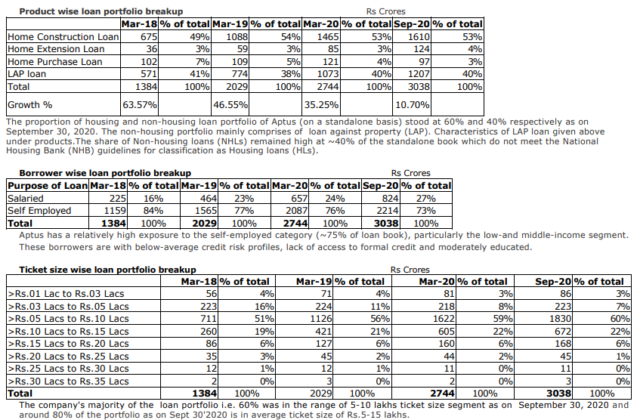
 |  |  |  |  |  |  |  |  | Rs in Lakhs
Particulars | FY17 | FY18 | FY 19 | FY20 | FY 21 | FY 22 | FY 23 | FY 24 | Q1 | Q2 | Q3 | Q4 | 23 Q4 | Q1FY25 | Q2FY25 |  | Profitability | FY18 (A) | FY19 (A) | FY20 (A) | FY21 (A) | FY22 (A) | FY23 (A) | FY24 (A) | Q1 | Q2 | Q3 | Q4 |  | Q1FY25
 | Aud | Aud. | Aud. | Aud. | Aud | Aud | Aud | Aud | Unaud |  |  |  |  |  |  |  | Net Interest Margin |  | 8.64% | 9.81% | 11.04% | 12.16% | 12.06% | 10.92% | 11.25% | 11.31% | 11.70% | 11.17% | 11.85% | 11.12% | 10.98% | 10.71% | Time Period Particulars |  | Latest Completed Quarter [A] | Previous Completed Quarter [B=A-1] | A-2 Quarters | A-3 Quarters | Quarter 12M prior 'A' [C] | Latest Completed FY [G] | Previous Completed FY [H]
 | I GAAP | I GAAP | Ind AS | Ind AS | Ind AS | Ind AS | Ind AS | Ind AS |  |  |  |  |  |  |  |  | Capitalization
Revenue from operations |  |  | 29811.15 | 41562.34 | 53,466 | 67,897 | 92,875 | 108,783 | 25,454 | 26,857 | 27,640 | 28,833 | 25392.42 | 29897.25 | 31362.77 | 32907.15 | Leverage (Debt/NOF) |  | 2.25 | 1.10 | 1.15 | 0.85 | 1.12 | 1.18 |  | 1.11 |  | 1.17 | 1.12 |  | 1.34 |  | S.No. | Parameter | Value in INR cr. [Ratios in %]
Interest Income |  |  | 28976.27 | 40511.11 | 52,408 | 65,934 | 87,175 | 103,000 | 24,760 | 26,138 | 26,658 | 27,727 | 24,741 | 28,846 | 30,183 | 31,752 | CAR |  | 43.64% | 82.50% | 73.63% | 85.61% | 77.38% | 73.03% |  |  | 70.45 | 66.76% |  | 71.81% | 70.23% | 65.00% | 1 | Net Interest Margin (%) | 11.17% | 11.70% |  |  | 11.85% | 11.33% | 12.06%
Treasury income |  |  |  |  | - | - |  |  |  |  |  |  |  |  |  |  | NOF/Loan Book |  | 33.47% | 60.75% | 54.91% | 62.11% | 51.95% | 48.60% |  |  |  |  |  |  |  |  | 2 | Net Profit/Loss | 122.24 | 120.79 | 118.67 | 118.92 |  | 480.61 | 424.58
Other Operation Income |  |  | 835 | 1,051 | 1,058 | 1,963 | 5,699 | 5,783 | 694 | 718 | 982 | 1,105 | 651 | 1,052 | 1,180 | 1,155 | Operational Efficiency |  |  |  |  |  |  |  |  |  |  |  |  |  |  |  | 3 | Gross NPA Ratio (%) | 1.07% | 1.19% |  |  | 1.15% | 1.07% | 1.15%
Interest expended |  |  | 11,186 | 16,936 | 18,208 | 17,920 | 24,228 | 32,305 | 7,600 | 8,167 | 8,070 | 8,469 | 6997.28 | 9107.03 | 9652.5 | 10825.36 | Cost to Income (on total operating income net-off interest expenses) |  | 32.95% | 30.68% | 24.30% | 19.60% | 20.69% | 21.00% |  |  |  |  |  |  |  |  | 4 | Net NPA Ratio (%) | 0.80% | 0.89% |  |  | 0.86% | 0.80% | 0.86%
Net Interest Income | - | - | 17,790 | 23,575 | 34,200 | 48,015 | 62,947 | 70,695 | 17,160 | 17,971 | 18,588 | 19,259 | 17,744 | 19,739 | 20,531 | 20,926 | Cost to Income (on total operating income) |  | 20.59% | 18.18% | 16.03% | 14.43% | 15.29% | 14.76% |  |  |  |  |  |  |  |  | 5 | Credit Cost (%) | 0.45% | 0.42% |  |  | 0.79% | 0.35% | 0.54%
Total Operating Income | - | - | 29,811 | 41,562 | 53,466 | 67,897 | 92,875 | 108,783 | 25,454 | 26,857 | 27,640 | 28,833 | 25,392 | 29,897 | 31,363 | 32,907 | Operating Expenses: Avg. Assets |  | 2.71% | 2.62% | 2.25% | 2.12% | 2.41% | 2.28% |  |  |  |  |  |  |  |  | 6 | Cash & Liquid Investments up to 3 months in ALM | 1060
Other income |  |  | 1,637 | 3,942 | 1,688 | 2,391 | 3,079 | 3,481 | 473 | 724 | 824 | 1,183 | 850.89 | 746.04 | 932.42 | 878.53 | Loan Book Performance |  |  |  |  |  |  |  |  |  |  |  |  |  |  |  | 7 | Debt Obligations due for repayment in the next 3 months | 439
Total Income |  |  | 31,448 | 45,504 | 55,154 | 70,288 | 95,954 | 112,265 | 25,926 | 27,581 | 28,464 | 30,015 | 26,243 | 30,643 | 32,295 | 33,786 | Gross NPA % |  | 0.43% | 0.79% | 0.72% | 1.14% | 1.01% | 1.04% | 1.29% | 1.20% | 1.19% | 1.08% |  | 1.32% | 1.24% | 1.20% | 8 | 3M Liquidity Cover for Debt Obligations | 241.46%
Operating expenses |  |  | 6,138 | 7,556 | 8,568 | 9,796 | 14,205 | 16,061 | 3,055 | 3,977 | 4,191 | 4,838 | 3965.67 | 5098.29 | 4405.97 | 4029.42 | Net NPA% |  | 0.32% | 0.60% | 0.52% | 0.85% | 0.75% | 0.77% | 0.97% | 0.88% | 0.87% | 0.79% |  | 0.98% | 0.92% | 0.89% | 9 | Liquidity Coverage Ratio [%] | 128.00%
Operating profit |  |  | 23,674 | 34,006 | 44,898 | 58,100 | 78,670 | 92,723 | 22,399 | 22,880 | 23,450 | 23,994 | 21,427 | 24,799 | 26,957 | 28,878 | Provision coverage Ratio |  | 24.75% | 23.62% | 28.08% | 25.35% | 25.86% | 25.83% | 24.81% |  |  |  |  |  |  |  | 10 | Reported Total CRAR [%] | 66.76%
Pre-provisioning operating profit |  |  | 14,125 | 21,012 | 28,378 | 42,572 | 57,521 | 63,899 | 15,272 | 15,437 | 16,204 | 16,708 | 15,280 | 16,438 | 18,237 | 18,931 | Credit Cost |  | 0.06% | 0.11% | 0.16% | 0.74% | 0.54% | 0.34% | 0.06% | 0.27% | 0.42% | 0.45% | 0.79% | 0.13% | 0.36% | 0.48%
Provisions |  |  | 120 | 266 | 494 | 2,934 | 2,818 | 2,226 | 89 | 424 | 663 | 773 | 1182.11 | 237.99 | 671.82 | 934.5 |  |  |  |  |  |  |  |  |  |  |  |  |  |  |  |  |  | Cells Needing Value Inputs
PAT |  |  | 10,266 | 18,142 | 21,785 | 30,823 | 42,459 | 48,062 | 11,892 | 11,867 | 12,079 | 12,224 | 10939.28 | 12726.55 | 13679.13 | 14175.2 | Return Indicators |  |  |  |  |  |  |  |  |  |  |  |  |  |  |  |  | Formula Cells
TNW |  |  | 68,892 | 166,975 | 189,110 | 276,590 | 311,064 | 338,493 |  | 325,857 | 338,341 | 340,795 | 311,064 |  | 354,447 |  | Pre Provisioning operating profit (PPOP)margin |  |  | 7.27% | 7.46% | 9.21% | 9.77% | 9.09%
Net Owned Funds |  |  | 68,892 | 166,975 | 189,110 | 276,590 | 311,064 | 338,493 | - | 325,857 | 338,341 | 340,795 | 311,064 | - | 354,447 |  | RoA |  | 4.47% | 6.28% | 5.73% | 6.67% | 7.21% | 6.83%
Total Debt |  |  | 155,191 | 182,983 | 217,446 | 234,672 | 347,108 | 397,804 |  | 362,348 |  | 397,804 | 347,108 |  | 475,030 |  | RoE |  | 14.90% | 15.38% | 12.24% | 13.24% | 14.45% | 14.80%
Total Assets |  |  | 226,270 | 351,536 | 408,925 | 515,053 | 662,877 | 743,571 |  | 692,776 |  | 743,549 | 662,877 |  | 837,486 |  | Spread
Loans & Advances (Gross) |  |  | 205,828 | 274,862 | 344,428 | 445,335 | 598,825 | 696,511 | 610,253 | 635,382 | 635,600 | 689,447 | 598,825 | 710,102 | 748,024 | 781,783 | Yields (A) |  | 14.08% | 16.86% | 16.93% | 16.70% | 16.70% | 15.90%
Gross NPAs |  |  | 882 | 2,159 | 2,468 | 5,066 | 6,056 | 7,214 |  |  |  |  | 6,056 |  |  |  | Avg. Cost of Borrowing(B) |  | 7.21% | 10.02% | 9.09% | 7.93% | 8.33% | 8.67%
Net NPAs |  |  | 664 | 1,649 | 1,775 | 3,782 | 4,490 | 5,350 |  |  |  |  | 4,490 |  |  |  | Spread(A-B) |  | 6.87% | 6.84% | 7.83% | 8.77% | 8.37% | 7.23%
 |  |  |  |  |  |  |  |  |  |  |  |  |  |  |  |  | LCR |  |  |  |  |  |  |  |  |  |  |  |  | 119% | 196% | 121%
 | Line of activity : Aptus, right from the inception in 2010, has kept the focus in providing individual home loans to the underserved Low and Middle Income (LMI) families largely in Tier II and III Cities to buy or construct a home of their own. More than 80% of the sanctioned customers belong to the LMI /self-employed category and also customers belonging to salaried class in the informal segment who largely earns cash salaries. Average Ticket Size: Most of Aptus customers are either constructing a house on their own plot of land or buying an apartment of their own, mostly first home. The average value of the properties funded is around Rs. 15 – 30 Lacs. Borrower profile: Typical customer of Aptus will be an individual who runs a business of his own like retailers, agents, professionals, traders, shop owners, contractors, service centers etc. or an individual who works in an informal set up and earns cash salary. The target customers have limited access to credit from formal channels given the lack of proper income documents. With a high share of first-time borrowers, the target borrower segment is relatively more susceptible to income shocks.Self -employed segment constituted around 73% of the total portfolio as on Sept 30, 2020. |  |  |  |  |  |  |  |  |  |  |  |  |  |  |  | Banking Share |  |  |  |  |  |  |  |  |  |  |  |  |  | 59%

Capsave Financial
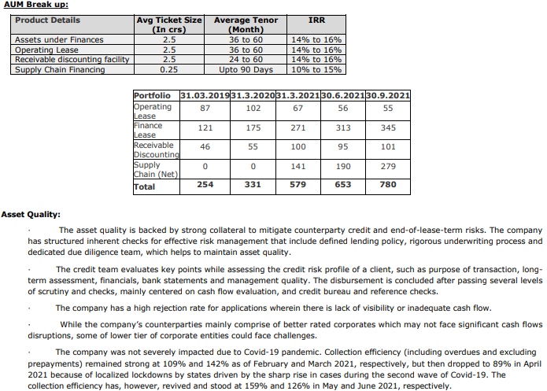
 |  |  |  |  |  |  |  |  |  | Rs in Lakhs
Particulars | FY17 | FY18 | FY 19 | FY20 | FY 21 | FY 22 | FY 23 | FY 24 | Q1 | Q2 | Q3 | Q4 |  |  |  | Profitability | FY18 (A) | FY19 (A) | FY20 (A) | FY21 (A) | FY22 (A) | FY23 (A) | FY24 (A) | Q1 | Q2 | Q3 | Q4
 | Aud | Aud. | Aud. | Aud. | Aud | Aud | Aud | Aud | Unaud |  |  |  |  |  |  | Net Interest Margin |  | 9.83% | 12.36% | 12.01% | 9.31% | 9.91% | 8.46%
 | I GAAP | I GAAP | Ind AS | Ind AS | Ind AS | Ind AS | Ind AS | Ind AS |  |  |  |  |  |  |  | Capitalization
Revenue from operations |  |  | 5895.22 | 8314.37 | 12,011 | 16,209 | 24,591 | 32,605 | 7,433 | 7,886 | 8,024 | 9,119 | 9298 | 9389.6 | 9853.3 | Leverage (Debt/NOF) |  | 0.00 | 0.00 | 1.11 | 1.90 | 2.50 | 2.48 |  | 2.26 |  | 2.44 | 2.16 | 2.31
Interest Income |  |  | 1876.62 | 2851.13 | 6,262 | 11,595 | 22,827 | 32,175 | 6,396 | 7,015 | 8,024 | 7,694 | 8194.8 | 8176.5 | 8865.7 | CAR |  |  |  | 37.64% | 28.42% | 26.47% | 126.47% | 26.55% | 28.11% | 31.45% | 26.89% | 28.47% | 27.37% | 31.17%
Treasury income |  |  |  |  | - | - |  |  |  |  |  |  |  |  |  | NOF/Loan Book |  | 108.65% | 114.66% | 50.78% | 34.58% | 26.92% | 27.83%
Other Operation Income |  |  | 4,019 | 5,463 | 5,749 | 4,614 | 1,764 | 430 | 1,038 | 871 | - | 1,425 | 1,103 | 1,213 | 988 | Operational Efficiency
Interest expended |  |  | 602 | 970 | 2,115 | 4,275 | 8,557 | 13,192 | 3,051 | 3,424 | 3,299 | 3,419 | 3955.2 | 3554.7 | 4172.6 | Cost to Income (on total operating income net-off interest expenses) |  | 52.76% | 52.15% | 47.37% | 35.42% | 35.14% | 42.05%
Net Interest Income | - | - | 1,274 | 1,881 | 4,147 | 7,320 | 14,270 | 18,983 | 3,344 | 3,592 | 4,725 | 4,274 | 4,240 | 4,622 | 4,693 | Cost to Income (on total operating income) |  | 47.37% | 46.06% | 39.03% | 26.08% | 22.91% | 25.04%
Total Operating Income | - | - | 5,895 | 8,314 | 12,011 | 16,209 | 24,591 | 32,605 | 7,433 | 7,886 | 8,024 | 9,119 | 9,298 | 9,390 | 9,853 | Operating Expenses: Avg. Assets |  | 9.02% | 10.73% | 8.45% | 4.20% | 3.33% | 3.21%
Other income |  |  | 76 | 169 | 69 | 238 | 171 | 205 | 31 | 55 | 113 | 152 | 189.3 | 358.5 | 184.8 | Loan Book Performance
Total Income |  |  | 5,972 | 8,483 | 12,080 | 16,447 | 24,761 | 32,810 | 7,464 | 7,941 | 8,136 | 9,270 | 9,487 | 9,748 | 10,038 | Gross NPA % |  | 0.00% | 0.00% | 0.00% | 0.13% | 0.18% | 0.85% | 0.15% | 0.06% | 0.23% | 0.84% | 0.89% | 0.90% | 0.79%
Operating expenses |  |  | 2,793 | 3,830 | 4,688 | 4,227 | 5,634 | 8,163 | 2,027 | 2,096 | 1,619 | 2,421 | 2243.4 | 2122.8 | 2342.9 | Net NPA% |  | 0.00% | 0.00% | 0.00% | 0.12% | 0.11% | 0.31% | 0.09% | 0.02% | 0.14% | 0.31% | 0.08% | 0.10% | 0.07%
Operating profit |  |  | 3,103 | 4,484 | 7,323 | 11,982 | 18,957 | 24,442 | 5,406 | 5,789 | 6,405 | 6,698 | 7,055 | 7,267 | 7,510 | Provision coverage Ratio |  | #DIV/0! | #DIV/0! | #DIV/0! | 10.00% | 40.81% | 63.03% | 40.00%
Pre-provisioning operating profit |  |  | 2,577 | 3,684 | 5,277 | 7,945 | 10,570 | 11,455 | 2,385 | 2,421 | 3,219 | 3,430 | 3,289 | 4,071 | 3,523 | Credit Cost |  | 0.33% | 0.70% | 0.51% | 0.84% | 0.68% | 0.29%
Provisions |  |  | 42 | 106 | 175 | 659 | 977 | 659 | 100 | 50 | - | 510 | 290 | 120 | 496.8
PAT |  |  | 1,968 | 2,458 | 3,660 | 5,414 | 7,555 | 7,826 | 1,697 | 1,699 | 2,345 | 2,085 | 2187.1 | 2878 | 2256.8 | Return Indicators
TNW |  |  | 14,084 | 20,031 | 26,192 | 36,564 | 49,056 | 74,224 |  | 59,932 |  | 75,437 |  | 79224.5 |  | Pre Provisioning operating profit (PPOP)margin |  |  | 10.32% | 9.51% | 7.89% | 6.25% | 4.51%
Net Owned Funds |  |  | 14,084 | 20,031 | 26,192 | 36,564 | 49,056 | 74,224 | - | 59,932 | - | 75,437 | - | 79,225 |  | RoA |  | 4.47% | 6.88% | 6.60% | 5.38% | 4.47% | 3.08%
Total Debt |  |  |  |  | 29,192 | 69,455 | 122,501 | 183,916 |  | 135,517 |  | 183,916 |  | 183007.5 |  | RoE |  | 13.98% | 14.41% | 15.84% | 17.25% | 17.65% | 12.70%
Total Assets |  |  | 30,956 | 40,459 | 70,511 | 130,808 | 207,422 | 300,912 |  | 231,663 |  | 300,912 |  | 306126.2 |  | Spread
Loans & Advances (Gross) |  |  | 12,963 | 17,470 | 51,576 | 105,750 | 182,222 | 266,688 |  | 205,226 |  | 264,064 |  | 273531.6 |  | Yields (A) |  | 14.48% | 18.74% | 18.14% | 14.74% | 15.85% | 14.33%
Gross NPAs |  |  |  |  |  | 138 | 326 | 2,263 |  |  |  |  |  |  |  | Avg. Cost of Borrowing(B) |  | #DIV/0! | #DIV/0! | 7.25% | 8.67% | 8.92% | 8.61%
Net NPAs |  |  |  |  |  | 125 | 193 | 837 |  |  |  |  |  |  |  | Spread(A-B) |  | #DIV/0! | #DIV/0! | 10.89% | 6.07% | 6.94% | 5.72%

Mumbai based, CFPL was incorporated in 1992 as a Non-deposit taking Non-Banking Finance Company (ND-NBFC). · CFPL commenced its operations in 2016. · The company is engaged in offering equipment leasing under operating and finance lease, bill discounting facility (majorly for RAPL). CFPL is also recently ventured into supply chain financing. The equipment like IT products (laptops, Apple phones etc.), Plant & Machinery, ATM machines and Furniture and Fit Outs. CFPL has its assets deployed on a pan India level and operates through 6 offices across Mumbai (headquarters), Pune, Delhi, Hyderabad, Chennai and Bangalore, as on March 31, 2021. · CFPL’s clients include reputed corporates like Tata Consultancy Services Limited, Mahindra & Mahindra Financial Services Limited, The Tata Power Company Limited, PricewaterhouseCoopers Service Delivery Centre (Kolkata) Private Limited among others. Line of activity: · Capsave offers leasing and financing options designed to provide customers access to the equipment they need whilst minimising the financial and technological risks accompanied by ownership. Capsave provides a cost effective way to acquire, retain, upgrade, dispose off the technology in an environmental friendly manner and replace it. The capsave clients include Indian Corporate with investment grade rating having turnover of minimum INR 100 million and having vintage of minimum 3 years. · CFPL started with operating and finance lease of equipment across a range of corporates, including private equity, venture capital and start-ups. These equipment are in the nature of IT products, Plant and Machinery, Furniture and Fit Outs which contributed about 59% of the total portfolio as on March 31, 2021 · CFPL also provides bill discounting facility to its parent, RAPL, which contributed ~17% to the total AUM as on March 31, 2021. · Subsequently in FY2021, CFPL ventured into supply chain financing under which the company provides financing to vendors of manufacturing compani

Brief description about the segments and their operations: Operating/Finance Lease · Capsave Finance offers its client a ‘pay for use’ model and invests its own equity as a residual component while structuring clients cash flow, there by offering client the rentals that would be significantly lower than they would pay on other leases or on a hire purchase agreement. The operating lease solution may be lower as compared to weighted average cost of capital and any other mode of acquisition. Under FMV Plan the cost of the asset is recovered from multiple lessees during the economic life of the asset after which Capsave Finance will arrange to recycle the equipment in accordance with environmental laws. The average tenor of operating lease is for 3 to 5 years and clocks IRR of 14% to 16%. The average ticket size is for 2.5 crores · Leasing allows customer to spread the payments over the useful life of those assets, enabling them to match cost with benefits unlike in case of Buy option, where the entire outlay has been to be done on Day 1. Leasing provides cost effective solution to customers against Term Loans on post-tax basis. Capsave offers a customised solution with respect to the size and requirement of different organization and also ensures that the financing solution is the best combination to match the client’s requirement. Receivable Financing: The company (Capsave) acts as a funder to Rent Alpha where the transaction size is small. The average tenor of operating lease is for 2 to 5 years and clocks IRR of 14% to 16%. The average ticket size is for 2.5 crores Supply Chain Financing: The company provides supply chain financing options to its clients upto 90-120 days for average ticket size of Rs 0.25 crores. The company earns IRR of around 10% to 15%. In the SCF segment, the credit risk profiles of the customers are varied such as multinational company (MNC) subsidiaries in India, startups, Indian corporates and companies backed by anchors. The tenure of t

REC
 |  |  |  |  |  |  |  |  |  | Rs in Crores
Particulars | FY17 | FY18 | FY 19 | FY20 | FY 21 | FY 22 | FY 23 | FY24 | Q1 | Q2 | Q3 | Q4 |  | Q1FY25 | Q2FY25 |  | Profitability | FY18 (A) | FY19 (A) | FY20 (A) | FY21 (A) | FY22 (A) | FY23 (A) | FY24 (A) | Q1 | Q2 | Q3 | Q4 |  |  |  |  | Parameters | Reference Period
 | Aud | Aud. | Aud. | Aud. | Aud | Aud | Aud | Aud | Unaud |  |  |  |  |  |  |  | Net Interest Margin |  | 3.22% | 3.44% | 3.63% | 4.12% | 3.55% | 3.36% | 3.20% | 3.49% | 3.41% | 3.22% | 3.42% | 3.38% | 3.49% | 3.48% | UCIC
 | I GAAP | I GAAP | Ind AS | Ind AS | Ind AS | Ind AS | Ind AS | Ind AS |  |  |  |  |  |  |  |  | Capitalization |  |  |  |  |  |  |  |  |  |  |  |  |  |  |  | CIF
Revenue from operations |  |  | 25309.72 | 29791.06 | 35,388 | 39,132 | 39,208 | 47,146 | 10,976 | 11,576 | 11,982 | 10,113 | 12613.14 | 13023.31 | 13571.18 | 14157.19 | Leverage (Debt/NOF) |  | 7.12 | 8.16 | 7.59 | 6.53 | 6.60 | 6.72 |  |  |  |  |  |  |  |  | BORROWER NAME
Interest Income |  |  | 24727.9 | 29422.33 | 34,230 | 37,811 | 38,360 | 45,659 | 10,689 | 11,393 | 11,812 | 9,904 | 12168.48 | 12500.37 | 13186.89 | 13692.03 | CAR |  | 17.77% | 16.06% | 19.72% | 23.61% | 25.78% | 25.82% |  | 28.53% | 28.21% | 25.78% | 25.82% | 26.77% | 25.31% | 25.33% | NIM (%) - NII/Avg. Earning Assets [12M intervals] | Latest Completed Quarter End Date [Q] | 3.42%
Treasury income |  |  |  |  | - | - |  |  |  |  |  |  |  |  |  |  | NOF/Loan Book |  | 12.17% | 10.82% | 11.47% | 13.19% | 13.22% | 13.28% |  |  |  |  |  |  |  |  |  | Quarter end Date 12M prior to Q | 3.22%
Other Operation Income |  |  | 582 | 369 | 1,158 | 1,322 | 848 | 1,488 | 286 | 183 | 170 | 210 | 445 | 523 | 384 | 465 | Operational Efficiency |  |  |  |  |  |  |  |  |  |  |  |  |  |  |  |  | Quarter End Date Previous to Q i.e. [Q-1] | 3.41%
Interest expended |  |  | 15,642 | 18,997 | 21,489 | 22,053 | 23,738 | 29,949 | 7,050 | 7,350 | 7,653 | 6,497 | 7896.05 | 8021.17 | 8506.54 | 8837.34 | Cost to Income (on total operating income net-off interest expenses) |  | 14.06% | 27.65% | 5.36% | 7.49% | 10.74% | 3.79% |  |  |  |  |  |  |  |  |  | Quarter end Date 12M prior to [Q -1] | 3.54%
Net Interest Income | - | - | 9,086 | 10,425 | 12,741 | 15,758 | 14,622 | 15,709 | 3,640 | 4,043 | 4,159 | 3,406 | 4,272 | 4,479 | 4,680 | 4,855 | Cost to Income (on total operating income) |  | 5.37% | 10.02% | 2.11% | 3.27% | 4.24% | 1.38% |  |  |  |  |  |  |  |  | Net Income [INR cr.] | Latest Completed Quarter End Date [Q] | 4016.30
Total Operating Income | - | - | 25,310 | 29,791 | 35,388 | 39,132 | 39,208 | 47,146 | 10,976 | 11,576 | 11,982 | 10,113 | 12,613 | 13,023 | 13,571 | 14,157 | Operating Expenses: Avg. Assets |  | 0.46% | 0.93% | 0.20% | 0.32% | 0.38% | 0.13% |  |  |  |  |  |  |  |  |  | Quarter End Date Previous to Q i.e. [Q-1] | 3269.31
Other income |  |  | 31 | 64 | 23 | 98 | 45 | 68 | 5 | 14 | 18 | 11 | 30.17 | 13.75 | 24.52 | 15.52 | Loan Book Performance |  |  |  |  |  |  |  |  |  |  |  |  |  |  |  |  | Quarter End Date Previous to Q-1 i.e. [Q-2] | 3772.87
Total Income |  |  | 25,341 | 29,855 | 35,411 | 39,230 | 39,253 | 47,214 | 10,981 | 11,590 | 12,000 | 10,124 | 12,643 | 13,037 | 13,596 | 14,173 | Gross NPA % |  | 7.22% | 6.56% | 4.82% | 4.44% | 3.41% | 0.00% | 3.28% | 3.14% | 2.78% | 3.42% | 2.71% | 2.61% | 2.53% | 1.95% |  | Quarter End Date Previous to Q-2 i.e. [Q-3] | 2960.73
Operating expenses |  |  | 1,359 | 2,985 | 746 | 1,279 | 1,661 | 652 | 111 | 113 | 195 | 165 | 242.53 | 156.55 | 152.88 | 255.61 | Net NPA% |  | 3.78% | 3.30% | 1.71% | 1.45% | 1.00% | 0.00% | 0.97% | 0.96% | 0.82% | 1.01% | 0.86% | 0.82% | 0.88% | 0.74% |  | Latest Completed Financial year End Date [FY] | 14019.21
Operating profit |  |  | 23,951 | 26,806 | 34,642 | 37,853 | 37,547 | 46,495 | 10,864 | 11,463 | 11,787 | 9,948 | 12,371 | 12,867 | 13,418 | 13,902 | Provision coverage Ratio |  | 47.66% | 49.64% | 64.59% | 67.40% | 70.64% | #DIV/0! | 70.43% |  |  |  |  |  |  |  | GNPA [%] - Gross NPA/Gross Loans | Latest Completed Quarter End Date [Q] | 2.71%
Pre-provisioning operating profit |  |  | 8,341 | 7,873 | 13,176 | 15,898 | 13,854 | 16,613 | 3,819 | 4,127 | 4,152 | 3,461 | 4,505 | 4,859 | 4,936 | 5,080 | Credit Cost |  | 0.09% | 0.29% | 0.69% | 0.91% | 0.03% | -0.29% | 0.05% | -0.66% | 0.05% | -0.30% | -0.57% | 0.36% | -0.11% | -0.06% |  | Quarter End Date Previous to Q i.e. [Q-1] | 2.78%
Provisions |  |  | 240 | 890 | 2,420 | 3,473 | 115 | -1,358 | 58 | -760 | 56 | -320 | -711.87 | 472.57 | -144.1 | -89.03 |  |  |  |  |  |  |  |  |  |  |  |  |  |  |  |  |  | Quarter end Date 12M prior to Q | 3.42%
PAT |  |  | 5,764 | 4,886 | 8,362 | 10,046 | 11,055 | 14,019 | 2,961 | 3,773 | 3,269 | 3,001 | 4016.3 | 3442.45 | 4005.47 | 4029.09 | Return Indicators |  |  |  |  |  |  |  |  |  |  |  |  |  |  |  | NNPA [%] Net NPA/Net Loans | Latest Completed Quarter End Date [Q] | 0.86%
TNW |  |  | 34,303 | 35,077 | 43,426 | 50,986 | 57,680 | 66,298 |  | 63,117 |  | 57,680 | 66297.69 |  | 69940.4 |  | Pre Provisioning operating profit (PPOP)margin |  |  | 2.44% | 3.53% | 3.92% | 3.17% | 3.28% |  |  |  |  |  |  |  |  | Credit Cost [%] [Provisions for NPA plus write-offs]/Average Gross Loans [12M intervals] | Latest Completed Quarter End Date [Q] | -0.57%
...
Gross NPAs |  |  | 20,348 | 21,256 | 18,257 | 17,160 | 14,892
Net NPAs |  |  | 10,649 | 10,703 | 6,466 | 5,594 | 4,373

REC was set up by the GoI in 1969 to finance and promote rural electrification projects in India. It now acts as a nodal agency for financing rural electrification projects under GoI-sponsored schemes and provides financial assistance to private power entities, state electricity boards, state government departments and rural electric cooperatives for rural electrification projects. Line of activity: REC provides financial assistance to state electricity boards (SEBs), state power utilities (SPUs), state government departments and rural electric co-operatives related to projects aimed at improving rural electricity infrastructure. Since FY2003, REC’s mandate has been broadened to include financing of all types of power projects, including large generation and transmission and distribution (T&D) projects. REC has been designated as the nodal agency for implementation of the programme –‘Deendayal Upadhyaya Gram Jyoti Yojana’ (DDUGJY) scheme of Government of India in year 2014. It was also a nodal agency for Rajiv Gandhi Grameen Vidyutikaran Yojana (RGGVY) which was later subsumed in DDUGJY.

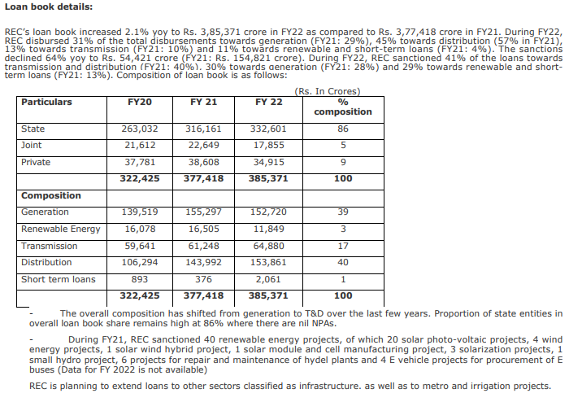
...

Vastu Housing
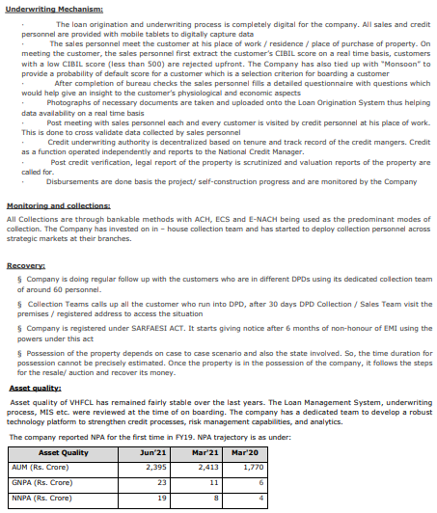
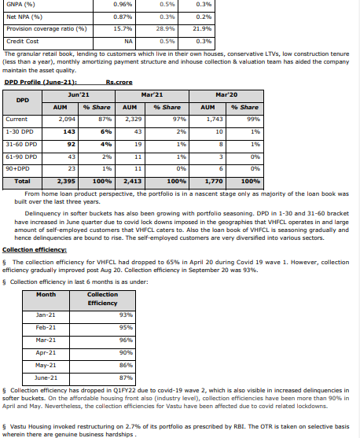
...
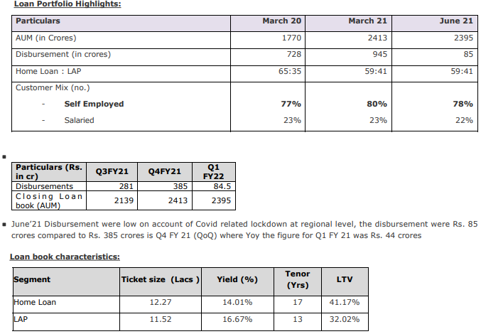

The Company has focused more on the plot plus construction market and resale market than on flats under construction by builders. This has been an active strategy undertaken by the Company in under to avoid developer risk. More than 90% of home loans are self-occupied first homes. In terms of geographic concentration it has major concentration in states where there is a culture of owning a plot and getting own house constructed like Karnataka (16%), Rajasthan (17%), Madhya Pradesh (14%), Telangana (10%), Delhi NCR (9%) etc. The share of self-employed customers has increased compared to FY20. As on June’21, ~72% of customers of the company’s customer/ borrowers has CIBIL score of 700+ whereas ~15% of the loan book at new to credit. Sourcing of proposal: As on June 21, the Company has an employee’s strength of around 600 sales personnel. 70% of the loans are directly sourced by the Company’s in – house sales personnel while the balance 30%) are sourced from DSA connectors etc. The DSAs and connectors only act as lead generators while complete loan fulfillment is done by the Company itself

TVS Credit
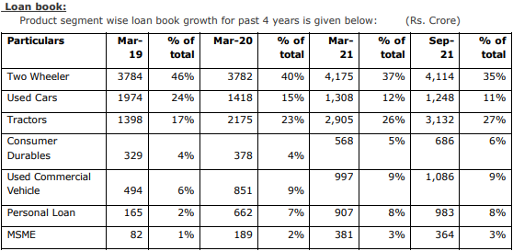
...
TVSCSL commenced operations as a captive financier of two-wheelers in FY2011 and gradually expanded into other asset classes viz., used cars (FY2013), new tractors (FY2013), used tractors (FY2015), consumer durables (CD; FY2018), used commercial vehicles (CVs; FY2018) and micro, small & medium enterprises (MSMEs; FY2019). · TVSCSL has exposure to borrowers with a modest credit profile as a large proportion of its disbursements are to borrowers without banking habits (especially two-wheeler financing). The company predominantly targets the self-employed segment, which is prone to income shocks. · The company’s operations are spread across 25 states and Union Territories in India. Its retail loan portfolio stood at Rs. 11,240 crore as of March 2021 (Rs. 9,215 crore as of March 2020) and improved to 11,696 crore as of September 30, 2021.

Muthoot Capital Services
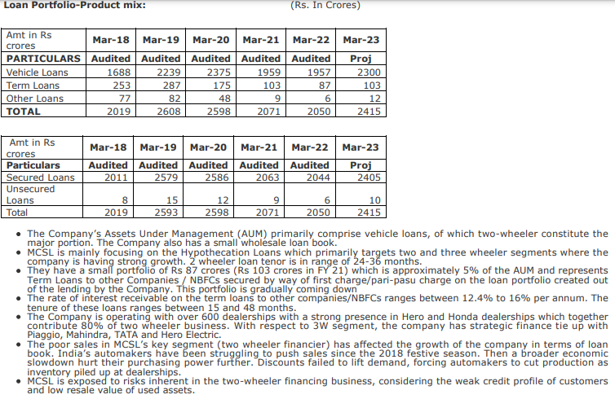
...
 |  |  |  |  |  |  |  |  | Rs in Lakhs
Net Owned Funds |  | 44,720 | 50,738 | 55,957 | 38,775 | 39,685 | 55,637 | - | - | - | 55,637 | 39,685 | - | 60,320
Total Debt |  | 212,590 | 235,473 | 194,453 | 162,467 | 189,128 | 166,009 |  |  |  | 166,009 | 189127.8 |  | 215499.84
Total Assets |  | 263,998 | 291,324 | 255,960 | 207,493 | 243,528 | 231,417 |  |  |  | 231,417 | 243528.01 |  | 284751.73
Loans & Advances (Gross) |  | 255,971 | 255,597 | 205,129 | 203,797 | 208,920 | 185,504 | 199,200 | 159,770 | 194,400 | 185,504 | 208920.43 | 217900 | 229754.71 | 286162.36
Gross NPAs |  | 11,401 | 17,515 | 25,177 | 53,137 | 43,120 |  |  |  |  |  | 43119.63
Net NPAs |  | 6,709 | 9,821 | 11,574 | 9,249 | 4,408 |  |  |  |  |  | 4407.6

 | MCSL is an NBFC with strong presence in rural and semi-urban areas in South. The major product of the Company i.e. providing timely small credit to the common man who needs a two-wheeler / used car. The Company has been working at the bottom of the pyramid and have been creating products to meet the needs of the customers in that segment.

Fedfina
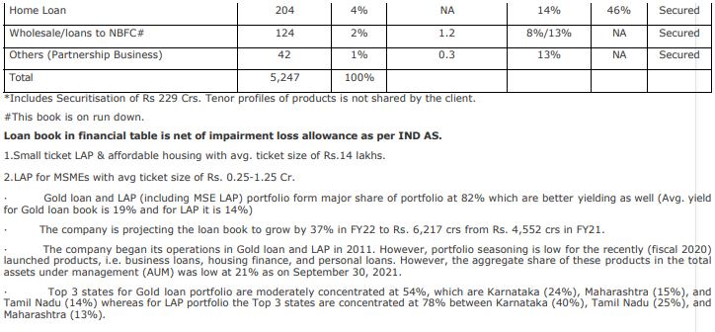
...

finova capital
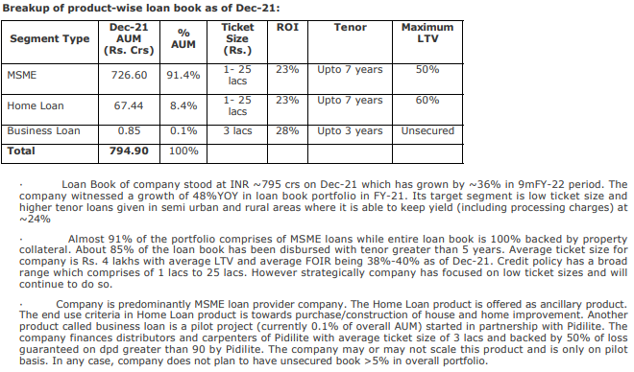
...
 |  |  |  |  | Rs in lakh
Total Debt |  | 52,665 | 64,713 | 102,224 | 134,777 | 102,224 | RoE | #DIV/0!
Total Assets |  | 98,432 | 159,195 | 207,314 | 246,153 | 207,314 | Spread
Loans & Advances (Gross) |  | 58,592 | 94,829 | 162,900 | 195,472 | 161,111 | Yields (A) | #DIV/0!
Gross NPAs |  | 397 | 1,717 | 1,581 |  |  | Avg. Cost of Borrowing(B) | #DIV/0!
Net NPAs |  | 237 | 1,010 | 516 |  |  | Spread(A-B) | #DIV/0!

 | The company is engaged in providing MSME loans to individuals (salaried and self-employed) for business purpose. It also provides housing loans however majority of the book comprises of MSME loans (91% as of Dec-21). The loan book is 100% secured with underlying security being property of the loan borrower (~90% is Self-occupied residential property) with 35% being first time borrowers.

Power Finance Corporation
...
Net Owned Funds | - | 45,164 | 52,393 | 59,350 | 68,202 | 75,846 | -
Total Debt |  | 310,275 | 332,959 | 327,434 | 370,368 | 410,874
Total Assets |  | 361,787 | 392,084 | 394,410 | 444,833 | 505,583
Loans & Advances (Gross) |  | 349,896 | 376,666 | 378,201 | 426,854 | 420,568 | 430,000
Gross NPAs |  | 27,872 | 21,150 | 20,915 | 16,502
Net NPAs |  | 13,123 | 7,734 | 6,571 | 4,502

PFC finances state sector entities including generating and distribution companies as well as IPPs. As nodal agencies for implementing various GoI schemes aimed at developing the country’s power sector (such as Ultra Mega Power Projects (UMPPs) and the Integrated Power Development (IPD) Scheme), PFC and REC remain strategically important to the GoI for achieving its objective of augmenting the power capacity across the country

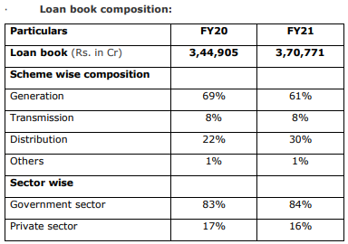

 |  | Loan book has witnessed growth of 7% y-o-y aided by growth in disbursements. - Disbursements grew from Rs.67,997 Cr (FY20) to Rs. 88,301 Cr (FY21), implying a 30% growth yoy. - Disbursements were aided by the regulatory package announced by GOI for liquidity infusion in discoms with PFC and REC being the key implementing agencies. Out of total disbursements for FY21, 59% was towards discoms (PY: 36%). - PFC is exempted from the single/ group borrower exposure norms and concentration limits for state sector entities. Subsequently, PFC faces high concentration risk with advances to top 10 borrowers (viz. Tamilnadu Generation and Distribution Corporation Limited, Rajasthan Rajya Vidyut Utpadan Nigam Limited, Kaleshwaram Irrigation Project Corporation Limited, AP Power Development Corporation Limited) of PFC accounting for 46% of the loan book as on March 21.

Northern Arc
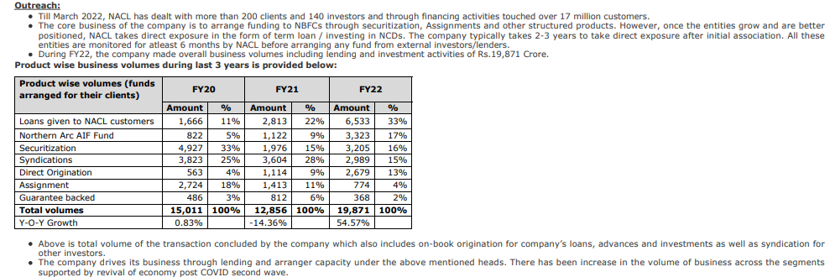
...
NACL is primarily involved in arranging funds for other NBFCs mainly engaged in Auto Finance, business loans, MFIs, affordable HFCs, etc. It also directly lends to these companies in the form of Term Loans and through investing in these company’s money market instruments. NACL arranges funds for other NBFCs through Commercial Paper (CPs), Non Convertible Debentures (NCDs), Bank Loans, Securitization and Tier II Capital for other NBFCs. Northern Arc has a track record of about 10 years in the placement and lending business. NACL operates from 4 offices in metros of India i.e. Mumbai, Delhi, Bangalore & Chennai. It does not have any branch. NACL undertakes complete evaluation of NBFC client portfolio and arrange for interested capital market investors. Further, NACL has partnership arrangement with NBFCs (borrowers of NACL) for MFI and Small Business lending operations. Presently NACL has partnered with ~30 NBFCs for co-lending. Some of them are Visage Holdings, Lending Kart, Capital Float, Samunnati, Neogrowth, Zip Loan etc. NACL majorly operates on an arranger model where they participate in the borrowings of the clients as a junior investor and arranges for a senior investor to whom major portion of the exposure is sold down

Aptus Finance
...
Provisions | 16 | 18 | 88 | 514
PAT | 905 | 2,986 | 4,947 | 6,245
TNW | 9,967 | 19,001 | 23,949 | 30,193
Net Owned Funds | 9,967 | 19,001 | 23,949 | 30,193
Total Debt | 11,464 | 24,282 | 35,860 | 38,671
Total Assets | 21,577 | 43,375 | 60,083 | 69,171
Loans & Advances (Gross) | 21,439 | 42,777 | 57,768 | 67,917
Gross NPAs |  |  | 294 | 1,118
Net NPAs |  |  | 228 | 837

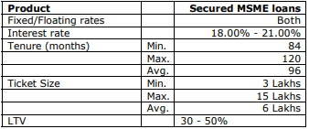 AFIPL is engaged in providing loans for non-housing finance activities in the form of Loan Against Properties (LAP) while its parent provides loans for home loans for the purchase and self-construction of residential property, home improvement and extension loans. The company primarily serves customers in the low and middle-income groups. As of September 30, 2021, 79% of the company’s AUM was from self-employed customers, while 21% was from salaried customers. As of September 30, 2021, about 99% of the AUM were from customers who belonged to the low and middle income groups, earning less than Rs. 50,000 per month and 41% of our AUM were from customers who were new to credit. Further, as of September 30, 2021, 61% of AUM were from customers located in rural regions. The average ticket size on the basis of sanctioned amounts were Rs.6.2 lakhs and the maximum ticket size is around Rs. 15 lakhs. The weighted average LTV as on September 30, 2021 was around 39.00% at the time of sanctioning of the loans. The tenure of the loan is around 7-10 years with average IRR of around 18-21% Details of the loan products is as given below

Home Credit
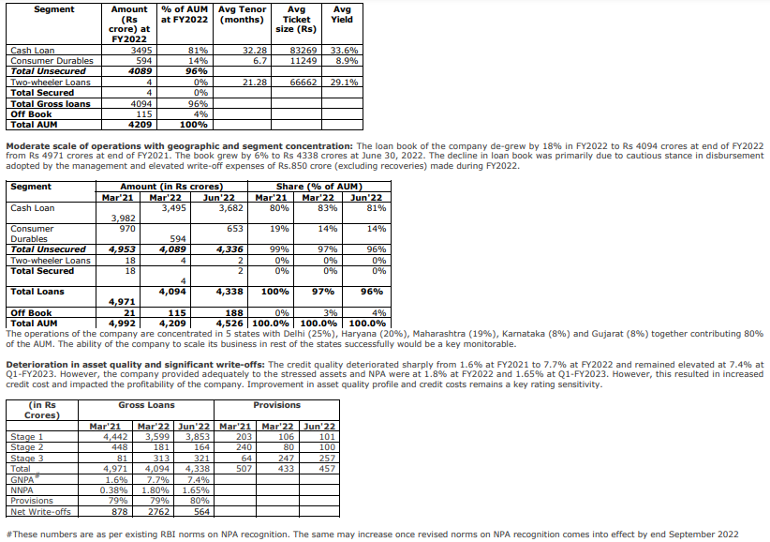
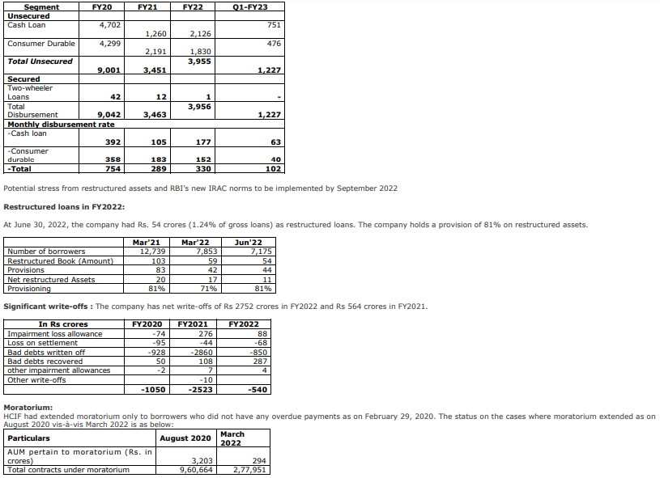
...
Weak borrower segment and unsecured nature of underlying loans: HCIF focuses on advancing small ticket size unsecured loans with higher yields. HCIF targets salaried (56% of loan book) and non-salaried (44% of loan book) customers primarily for financing purchase of mobile phones (15% of loan book) and then cross sell cash loans (85% of loan book). The company also has a negligible (0,1% of loan book) discontinuing portfolio of 2-wheelers loans. Around 40% of the customers have CIBIL score > 750 and 16% of the borrowers have CIBIL score < 700 or are new to credit. HCIF also offers add-on products in the form of non-credit value-added services and insurance products. HCI primarily focusses on partnerships with small retail format players. However, the company has recently increased its presence in the large format retail chains through tie-ups with online platforms, and national and regional retail chains. The company has been shifting its portfolio mix towards higher-tenured cash loans, while the share of consumer durable loans has been steadily declining. Given the business model focussed on riskier borrower profile and the unsecured nature of portfolio, asset quality issues and credit costs are expected to remain high.

India Infra fin
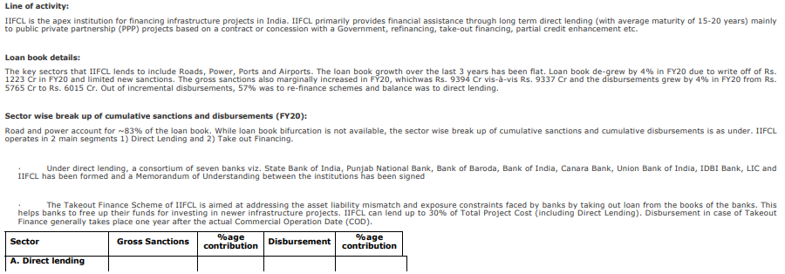
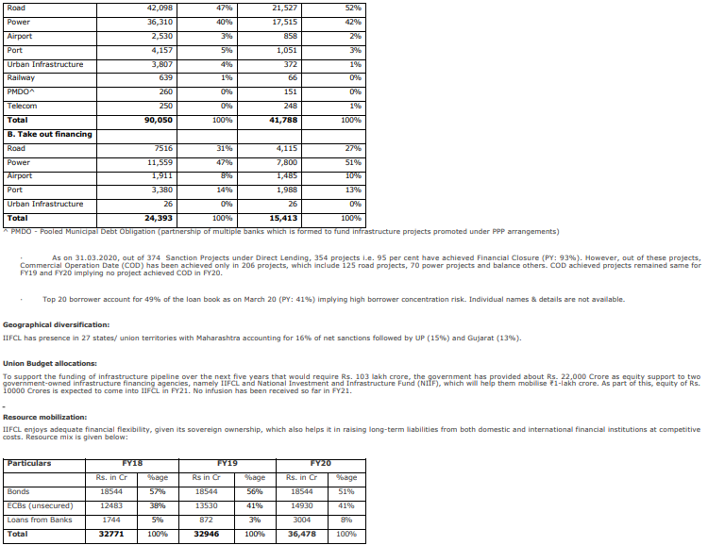
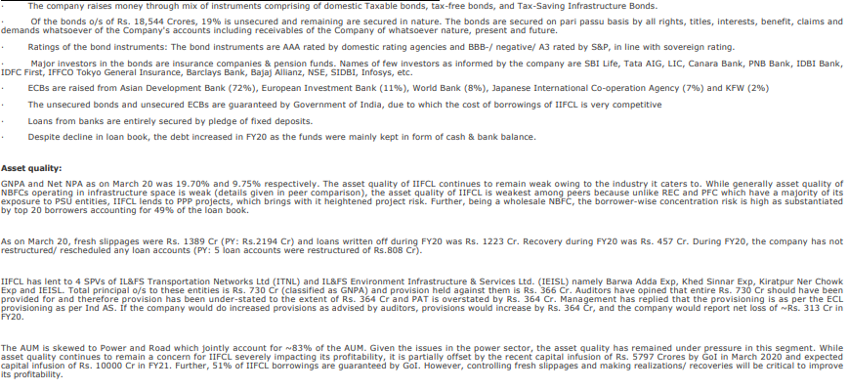
...
 |  |  |  |  | Rs in Lakh
Total Debt | 3,647,762 | 3,970,063 | 4,080,659 | 4,305,126 | 4,507,726 | 4,305,126 | RoE
Total Assets | 5,214,717 | 5,552,459 | 5,696,425 | 1,287,808 | 6,252,937 | 5,948,542 | Spread
Loans & Advances (Gross) | 3,363,722 | 3,670,260 | 3,936,634 | 4,228,601 | 4,677,673 | 4,231,599 | Yields (A)
Gross NPAs | 662,307 | 510,044 | 363,178 | 201,350 |  |  | Avg. Cost of Borrowing(B)
Net NPAs | 327,833 | 197,718 | 135,288 | 59,441 |  |  | Spread(A-B)

IIFCL is a 100% Government of India (GoI) owned company which commenced its operations from April 2006, and was registered with the RBI as NBFC-IFC during FY14. IIFCL is the apex institution for financing infrastructure projects in India. IIFCL primarily provides financial assistance through long term direct lending (with average maturity of 10 years and more) mainly to PPP projects based on a contract or concession with a Government, refinancing, take-out financing, partial credit enhancement etc

Daimler Financial Services
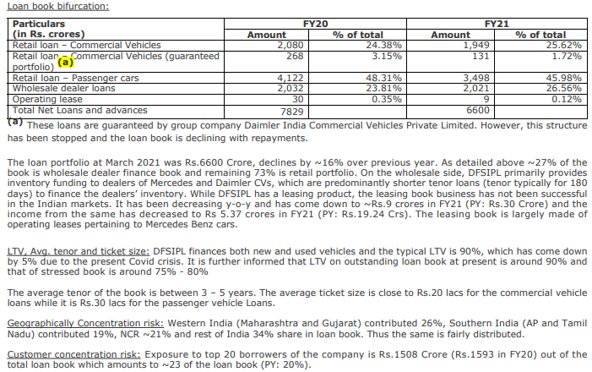
...
 |  |  |  | Rs in Lakhs
Loans & Advances (Gross) | 840,177 | 752,297 | 621,340 |  | Yields (A)
Gross NPAs | 157,154 | 192,096 | 87,970 |  | Avg. Cost of Borrowing(B)
Net NPAs | 121,900 | 116,752 | 20,769 |  | Spread(A-B)

DFSIPL is the captive finance arm of DAG. The company commenced operations in June 2011 and is based out of Chennai. DFSIPL provides finances to individuals, corporates and dealers for the purchase of Daimler’s passenger cars and CVs through a network of 120 dealers (36 of Daimler Commercial Vehicles and the rest of Mercedes Benz) across India. It also has 250 touchpoints for after sales service. Furthermore, it provides a range of automotive financial services, such as leasing, insurance, extended warranty, and others. It supports the unit sales of the Daimler Group and helps increase brand loyalty among customers and dealers.

APAC
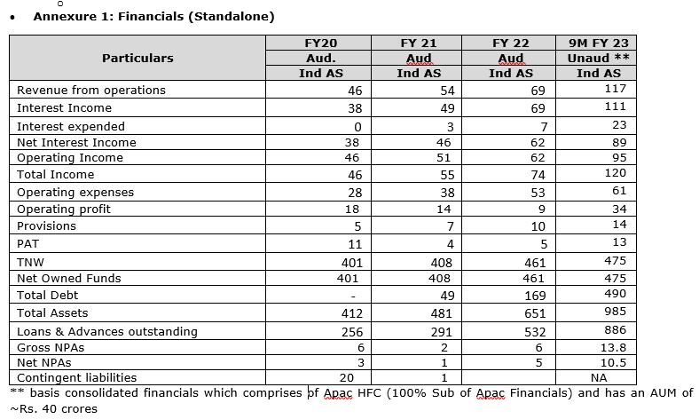
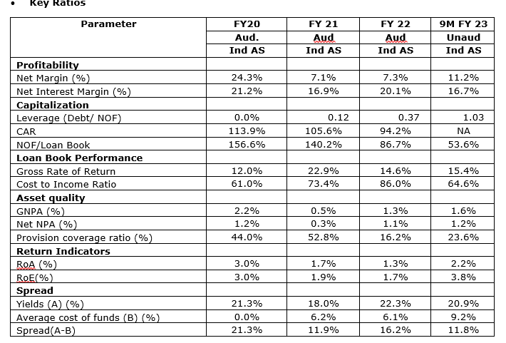
...
 |  |  |  |  |  |  | Rs in 000
Provisions |  |  | 74,404 | 99,179 | 143,675
PAT |  |  | 38,666 | 51,457 | 210,476 |  |  | Return Indicators
TNW |  |  | 4,077,925 | 6,515,052 | 4,867,949 |  |  | Pre Provisioning operating profit (PPOP)margin
Net Owned Funds | - | - | 4,077,925 | 6,515,052 | 4,867,949 | - |  | RoA
Total Debt |  |  | 491,274 | 1,687,667 | 6,745,961 |  |  | RoE
Total Assets |  |  | 4,811,750 | 6,515,052 | 11,803,861 |  |  | Spread
Loans & Advances (Gross) |  |  | 3,013,099 | 5,372,365 | 10,256,052 |  |  | Yields (A)
Gross NPAs |  |  | 15,853 | 61,096 | 97,446 |  |  | Avg. Cost of Borrowing(B)
Net NPAs |  |  | 7,532 | 51,429 | 76,748 |  |  | Spread(A-B)

profectus capital
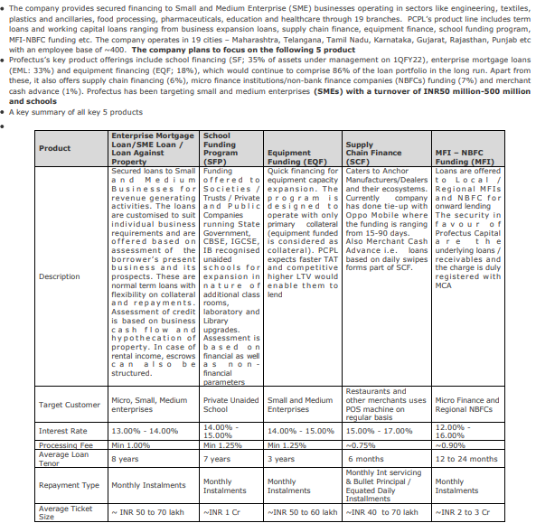
...
 |  |  |  |  | Rs in Lakh
Total Assets | 114,818 | 170,220 | 299,959 | 326,075 | 308,047 | 326,075 | 330480
Loans & Advances (Gross) | 88,819 | 152,155 | 247,002 | 271,903 | 246,366 | 269,221 | 262786
Gross NPAs | 193 | 1,182 | 1,976
Net NPAs | 170 | 978 | 1,503

PCPL is promoted by the ex CEO of Reliance Commercial Finance, Mr. KV Srinivasan who built one of the market leading SME lending franchises over a period of nearly a decade. He is backed by Actis PE in FY19 where they have make a commitment to invest USD 140 million (~Rs. 1000 crore) in next few years in phases. Mr. KV. Srinivasan is assisted by Mr. Sandip Parikh who is Chief Operating Officer (COO) who has more than 2 decades of experience in finance sectors and been part of the senior management at TATA Finance, GE Capital, ICICI Bank and Reliance Home Finance. The risk function is headed by Mr. Nimesh Parikh having more than 2 decades of experience in Risk domain, having worked with ICICI Bank, HSBC, Citicorp and most recently at Reliance Commercial Finance In the board of PCPL there are 4 nominated director of Actis PE.

KKR India Asset finance
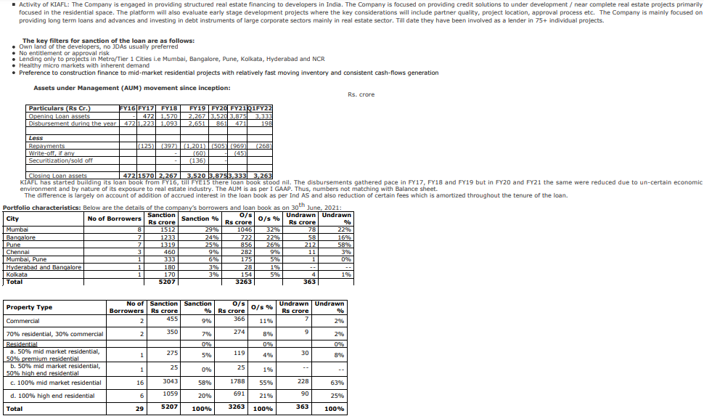
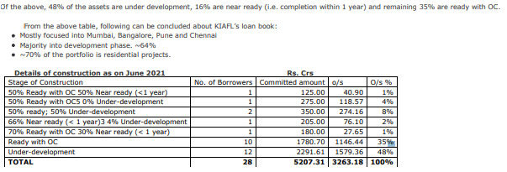
...
 |  |  |  | Limits Cancelled |  | Rs in Million
Net Owned Funds | - | - | 21,267 | 21,773 | 21,855 | 21,929 | RoA | 4.47% | #DIV/0! | 1.05% | 1.17%
Total Debt |  |  | 21,579 | 22,007 |  | 13,348 | RoE | #DIV/0! | #DIV/0! | 2.13% | 2.36%
Total Assets |  |  | 43,045 | 43,971 |  | 35,480 | Spread
Loans & Advances (Gross) |  |  | 33,085 | 29,096 |  | 20,801 | Yields (A) | #DIV/0! | #DIV/0! | 13.68% | 12.22%
Gross NPAs |  |  | 2,392 | 907 |  |  | Avg. Cost of Borrowing(B) | #DIV/0! | #DIV/0! | 8.72% | 9.93%
Net NPAs |  |  | 1,547 | 548 |  |  | Spread(A-B) | #DIV/0! | #DIV/0! | 4.96% | 2.28%

KKR India Asset Finance Limited (Formerly known as KKR India Asset Finance Private Limited) , was incorporated as a private limited company on June 30, 1989 under the provisions of the Companies Act, 1956. KIAFL is registered with the Reserve Bank of India as a non-deposit taking, systemically important Non-Banking Financial Company (NBFC).

India Shelter Home
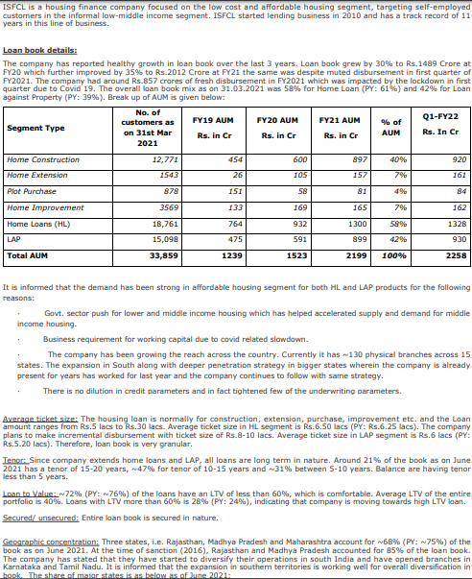
...
 |  |  |  |  |  |  | Rs in Lakhs
Total Assets | 179,899 | 246,264 | 322,122 | 429,513 | 579,308 |  | 475,791 |  | 579,308 | 429,513
Loans & Advances (Gross) | 149,134 | 201,217 | 265,687 | 364,463 | 510,649 | 390,000 | 426,607 | 469,909 | 506,240 | 360,914
Gross NPAs | 1,957 | 3,619 | 5,704 | 4,190 | 5,013
Net NPAs | 1,613 | 2,469 | 4,253 | 3,101 | 3,766
...
 |  |  |  |  |  |  | Rs in Lakhs
India Shelter Finance Corporation Ltd (ISFCL) is a Housing Finance Company registered with National Housing Bank. ISFCL was incorporated in 1998 as Satyaprakash Housing Finance India Limited. In September 2009, company was taken over by Anil Mehta and Srinath Mukherji with NIL portfolio and subsequently changed the name to ISFCL. The new management started operations in March, 2010. ISFCL focused on the low cost and affordable housing segment, targeting self-employed customers in the informal low-middle income segment. ISFCL started lending business in 2010 and has a track record of 12 years in this line of business. Company presently has AUM of Rs. 3110 cr with PAT of Rs. 133 cr as on 31.03.22 (provisional) and they have closed the FY22 with total disbursement of around Rs. 1342 crores. GNPA is 2.12%, NNPA is 1.60% and CAR is 58.66% as on 31.3.22 (provisional).

PHL finvest
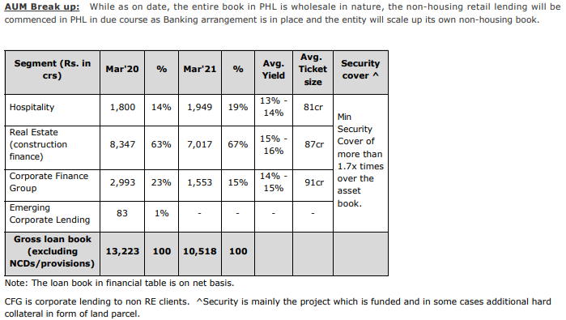
...
 |  |  |  |  |  | Rs in Lakhs
Net Owned Funds | - | 471,544 | 520,561 | 563,111 | - |  | RoA | 4.47% | 0.58% | 3.45%
Total Debt |  | 1,063,911 | 773,882 | 182,354 |  |  | RoE | #DIV/0! | 1.88% | 9.89%
Total Assets |  | 1,541,933 | 1,300,128 | 1,107,878 |  |  | Spread
Loans & Advances (Gross) |  | 1,029,855 | 906,997 | 779,861 |  |  | Yields (A) | #DIV/0! | 11.96% | 13.95%
Gross NPAs |  | 6,305 | 50,419 | 69,260 |  |  | Avg. Cost of Borrowing(B) | #DIV/0! | 11.25% | 11.56%
Net NPAs |  | 5,359 | 24,055 | 28,117 |  |  | Spread(A-B) | #DIV/0! | 0.71% | 2.39%

PHL is engaged largely into wholesale lending and provides funding to entities in real estate and other sectors such as infrastructure, hospitality, automotive, financial services, transportation services, renewable energy, entertainment, etc. During FY19 , the group capitalized the company and transferred part of its loan portfolio to PHL. These segments are largely impacted due to covid. · At PHL level, 50:50 (retail: wholesale) mix will be reached by FY24.

indostar home finance
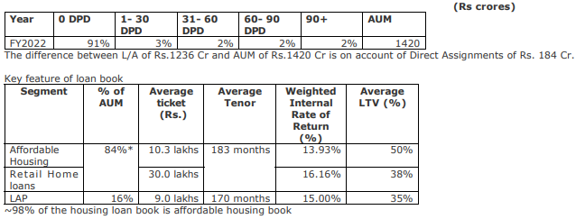
...
 |  |  |  |  | Rs in Lakhs
Loans & Advances (Gross) | 75,291 | 85,356 | 123,578 | 133,252 |  | 149,211 | 182,254 | 205763 | Yields (A) | #DIV/0!
Gross NPAs | 634 | 1,551 | 2,224 | 1,668 |  |  |  |  | Avg. Cost of Borrowing(B) | #DIV/0!
Net NPAs | 504 | 1,200 | 1,404 | 1,206 |  |  |  |  | Spread(A-B) | #DIV/0!

The company provides home loans and loan against property with average tenor of 220 months and 170 months, while it has a operational vintage of ~ 5 years (60 months) hence the loan book is unseasoned and stood at Rs 1236 crores at the end of FY2022 (grown from Rs 854 crores in FY2020). The company primarily operates in Tamil Nadu (38%), Maharashtra (22%), Andhra Pradesh (12%) and Telangana (12%). The company may face asset quality challenges while it augments its operations in new states and undergo different economic cycles. Target customer susceptible to economic shocks: IHFPL provides housing loans with a focus on the self constructed affordable housing segment (84%) and LAP (16%) to the self-employed / salaried individuals in the outskirts of urban markets and Tier-II cities. Out of the total loans outstanding, the loans to the salaried segment constituted around 51%, and that to the self-employed segment constituted around 49%. Around ~ 30% of the loans are extended to new to credit customers. Comfort is derived from low LTV (max 50%) of the portfolio and loans qualifying for CLSS scheme

Incred Financial
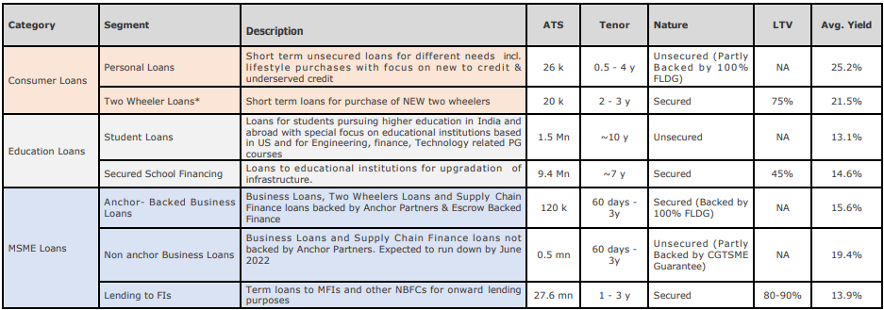
...
 |  |  |  |  |  |  |  | Rs in Lakhs
TNW |  | 102,428 | 104,575 | 111,231 | 248,367 | 288,452 |  | 262,341 |  |  |  | 313619.6 | Pre Provisioning operating profit (PPOP)margin
Net Owned Funds | - | 102,428 | 104,575 | 111,231 | 248,367 | 288,452 | - | 262,341 | - | - | - | 313,620 | RoA
Total Debt |  | 112,427 | 167,249 | 281,589 | 391,296 | 501,355 |  | 464,979 |  |  |  | 672966.95 | RoE
Total Assets |  | 220,434 | 279,141 | 402,389 | 665,337 | 867,378 |  | 756,798 |  |  |  | 1058012.34 | Spread
Loans & Advances (Gross) |  | 210,188 | 264,465 | 382,324 | 555,232 | 744,924 |  | 622,431 |  |  |  | 888685.08 | Yields (A)
Gross NPAs |  | 5,943 | 9,037 | 10,811 | 11,442 | 15,936 |  |  |  |  |  |  | Avg. Cost of Borrowing(B)
Net NPAs |  | 2,783 | 4,425 | 5,404 | 5,013 | 6,261 |  |  |  |  |  |  | Spread(A-B)

InCred is a non-deposit taking, non-banking financial company headquartered in Mumbai. Incred is a new-age financial services platform that leverages technology and data science, throughout its lending chain, thereby reducing the turnaround time. Since operations began in February 2017, Incred has built a diversified portfolio with AUM of Rs 3,006 crore as on October 31, 2021.

Aditya Birla Finance Ltd
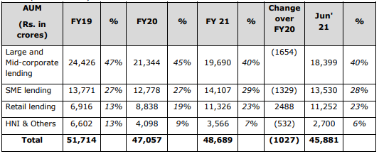
...
 |  |  |  |  |  |  | Rs in Lakh
TNW | 728,720 | 807,815 | 883,788 | 986,042 | 1,142,621 | 1,020,081 | 1,055,740 | 1,096,447 | 1,142,621
Net Owned Funds | 728,720 | 807,815 | 883,788 | 986,042 | 1,142,621 | 1,020,081 | 1,055,740 | 1,096,447 | 1,142,621
Total Debt | 4,436,040 | 4,340,910 | 4,121,518 | 4,598,575 | 7,077,073 |  | 5,541,022 |  | 7,077,073
Total Assets | 5,220,117 | 5,197,457 | 5,075,517 | 5,696,920 | 8,412,282 |  | 6,734,673 |  | 8,412,282
Loans & Advances (Gross) | 5,069,935 | 4,686,933 | 4,861,862 | 5,468,229 | 8,003,371 |  | 6,363,295 |  | 7,884,950
Gross NPAs | 81,340 | 182,708 | 142,247 | 195,603 | 250,710
Net NPAs | 50,044 | 126,148 | 83,252 | 118,315 | 134,915

Till 2012, ABFL was primarily a capital market lender and has later diversified across segments. It has now scaled up its portfolio across segments as listed below. As on June’21 below are major lending segments: § Large and Mid-corporate lending (Average Ticket Size i.e. ATS: Rs.52 Cr) § SME lending (ATS: Rs.5 Cr) § Retail lending (ATS: Rs.4 lakhs) § HNI & Others (ATS: Rs.47 Cr)

JM Finance Credit Solutions
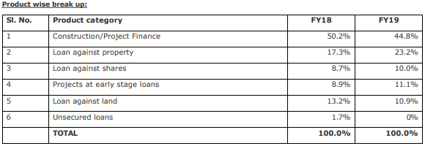
...
 |  |  |  |  | Rs in Crores
Total Assets | 8,563 | 8,200 | 9,220 | 9,113 |  | Spread
Loans & Advances (Gross) | 8,091 | 7,381 | 7,220 | 7,823 |  | Yields (A) | 15.55% | 16.34%
Gross NPAs | 85 | 154 | 289 | 416 |  | Avg. Cost of Borrowing(B) | 10.33% | 10.49%
Net NPAs | 69 | 106 | 165 | 285 |  | Spread(A-B) | 5.22% | 5.85%

JMFSCL is the NBFC arm of the JM Financial group engaged in the business of funding real estate projects as well as arranging financing through debt syndication as well as distribution of NCDs to HNIs. JMFSCL mainly funds the real estate projects at various stages in the life cycle of the project. The products of JMFCSL mainly include – • Project Finance: This includes offering loans to developers for construction of residential or commercial projects • Loans against property: This includes loans against the residential or commercial properties with occupation certificate • Loans against shares: This includes loans to investors against the listed or unlisted shares of corporates • Project at early stage loans: This is primarily undertaken against projects which are expected to be launched soon • Loans against land: This funding is primarily undertaken for land acquisition or against land parcels which are not expected to be launched in the near future. These parcels are mostly without approvals at the time of funding

Aseem Infra

...
 |  |  |  |  |  |  |  | Rs in Lakhs
Net Owned Funds | - | - | 225,275 | 265,403 | 279,987 | 296,104 | - | 307,947 | - | - | RoA
Total Debt |  |  | 44,182 | 472,748 | 1,004,244 | 1,155,606 |  | 1,275,505 |  |  | RoE
Total Assets |  |  | 270,460 | 847,220 | 1,288,715 | 1,461,591 |  | 1,594,150 |  |  | Spread
Loans & Advances (Gross) |  |  | 158,832 | 699,194 | 1,154,525 | 1,324,947 |  | 1,449,312 |  |  | Yields (A)
Gross NPAs |  |  |  |  |  |  |  |  |  |  | Avg. Cost of Borrowing(B)
Net NPAs |  |  |  |  |  |  |  |  |  |  | Spread(A-B)

Incorporated in May 2019, AIFL, subsidiary of NIIF Fund II (SOF) managed by NIIF (GOI anchored fund) is registered as NBFCIFC (Infrastructure Finance Company). AIFL received IFC license from RBI in January 2020 and commenced its lending operations from August 2020. It plans to fund infrastructure projects across various phases with a mix of operating, brownfield and greenfield assets within regulatory guidelines. The target sectors envisaged by AIFL include roads, power transmission, green energy along with healthcare, ports, airports and education.

Bajaj Housing Finance
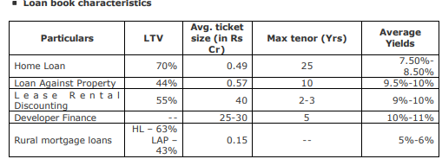
...
 |  |  |  |  |  |  | Rs in Crore
Gross NPAs | 9 | 23 | 119 | 146 | 137 | 216 |  | 216
Net NPAs | 7 | 14 | 74 | 67 | 50 | 78 |  | 78
...
 |  |  |  |  |  |  | Rs in Crore
BHFL started full scale operations effective February 2018 and is engaged in housing loans to salaried and self-employed individuals for construction, purchase, repair and upgradation of houses. BHFL also provides loan for commercial space, loan against property and loan for purchase of residential plots. It also offers inventory finance and construction finance to developers. For LRD, BHFL focusses on commercial properties occupied by prominent lessees under a long-term lease contract. Strategy is to sell LAP product to existing customers only via direct to customer channel. BHFL offers ‘construction finance’ (CF) and inventory finance to approved developers for small to mid-sized projects where all development approvals have been obtained and builder have a track record of timely delivery of projects. These loans are offered in 8 cities (Mumbai, Bangalore, Pune, Ahmedabad, Chennai, Kolkata, Surat and Hyderabad) and enable BHFL to acquire retail home loan customers. Disbursements are made over the construction period basis stage of completion. The repayments are secured through escrow arrangement. The company plans to keep its developer loan portfolio in 10%-12% share range in the medium term
...

Shriram city Union Finance
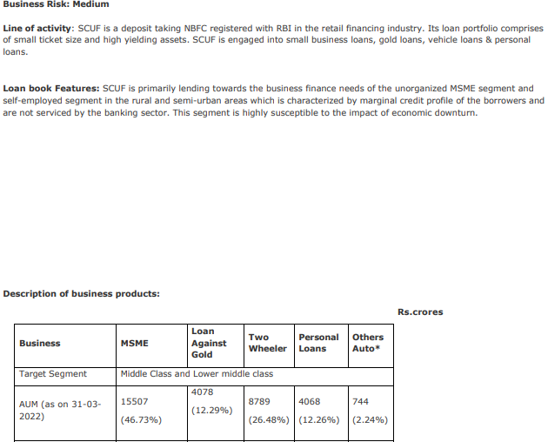
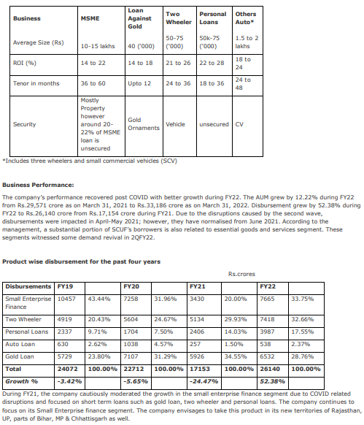
...
 |  |  |  |  | Rs in Lakhs
Total Assets | 2,941,525 | 3,097,425 | 3,421,004 | 4,006,764 | 4,250,289
Loans & Advances (Gross) | 2,891,560 | 2,865,653 | 2,946,519 | 3,310,361 | 3,394,588
Gross NPAs | 257,669 | 226,294 | 187,599 | 208,869
Net NPAs | 145,295 | 116,619 | 87,728 | 105,934

Incorporated in 1986, Shriram City is a part of Shriram group of companies. It is registered with RBI as a systemically important, deposit taking, non-banking finance company (NBFC-SI-D). It predominantly operates in the retail financing segment with a focus on small enterprise loans, two-wheeler financing, gold loans, housing loans and others (auto and personal loans). Its assets under management (including housing portfolio) stood at Rs 33,509 crore as on June 30, 2021 of which the standalone AUM stood at Rs 29,599 crore, while the housing portfolio under Shriram Housing stood at Rs 3,910 crore. The company has pan India presence with 926 branches as on March 31, 2021, of which 67% are situated in South India.

Home First
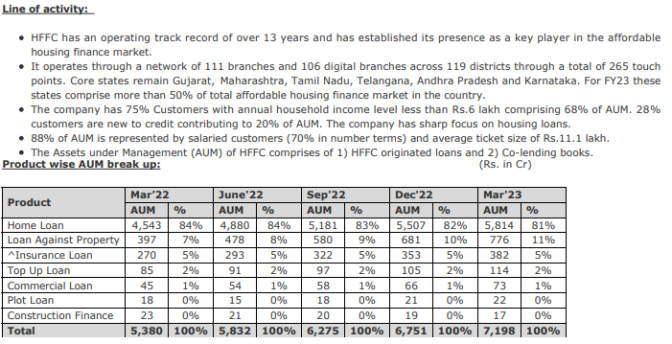
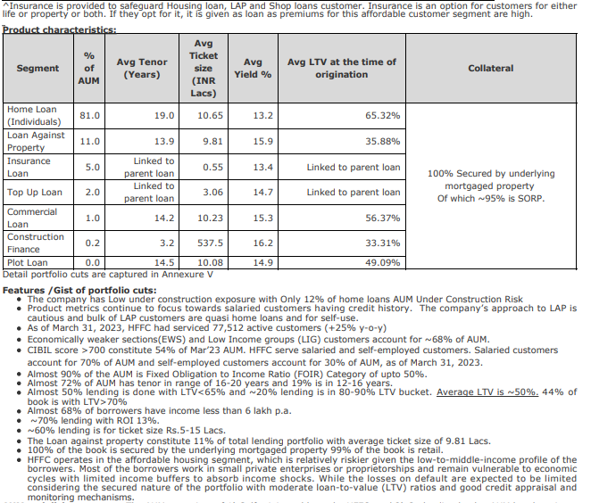
...
 |  |  |  |  |  |  |  | Rs in million
PAT |  |  |  | 1,861 | 2,283 | 3,057 | 691 | 743 | 788 | 835 | 640.28
TNW |  |  |  | 15,737 | 18,145 | 21,184 |  | 19,433 |  | 21,184 | 18145.07
Net Owned Funds | - | - | - | 15,737 | 18,145 | 21,184 | - | 19,433 | - | 21,184 | 18,145
Total Debt |  |  |  | 34,668 | 48,135 | 73,021 |  | 60,018 |  | 73,021 | 48134.73
Total Assets |  |  |  | 51,169 | 67,370 | 95,340 |  | 80,434 |  | 95,340 | 67370.25
Loans & Advances (Gross) |  |  |  | 43,515 | 60,521 | 81,434 | 65,794 | 70,253 | 76,143 | 81,434 | 60521.22
Gross NPAs |  |  |  | 1,015 | 974 |  |  |  |  |  | 973.9
Net NPAs |  |  |  | 763 | 643 |  |  |  |  |  | 643.2
...

CSL Finance
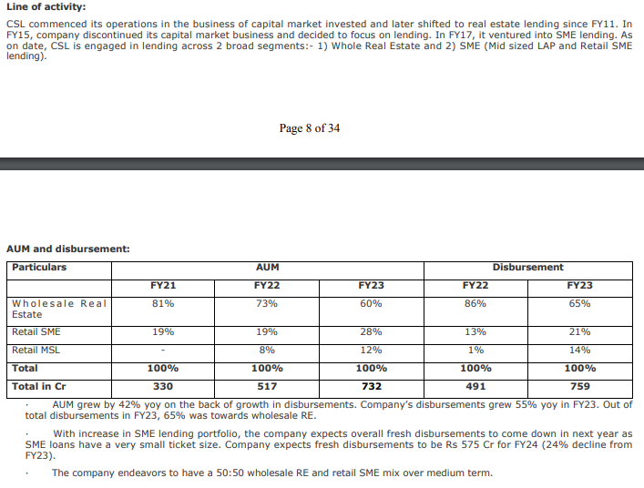
...
 |  |  |  |  |  |  |  | Rs in Lakhs
Provisions |  |  |  | 372 | 387 | 515 | 109 | 159 | 129 | 118 | 114.6
PAT |  |  |  | 3,345 | 4,563 | 6,336 | 1,325 | 1,482 | 1,672 | 1,857 | 1189.66
TNW |  |  |  | 32,015 | 36,093 | 47,307 |  | 43,780 |  | 47,307 | 36092.54
Net Owned Funds | - | - | - | 32,015 | 36,093 | 47,307 | - | 43,780 | - | 47,307 | 36,093
Total Debt |  |  |  | 20,417 | 40,806 | 50,322 |  | 40,567 |  | 50,322 | 40805.61
Total Assets |  |  |  | 53,223 | 77,874 | 98,533 |  | 87,073 |  | 98,533 | 77874.22
Loans & Advances (Gross) |  |  |  | 51,695 | 73,239 | 90,925 | 71,500 | 82,426 | 86,000 | 90,925 | 73239.03
Gross NPAs
Net NPAs

